Survey Form
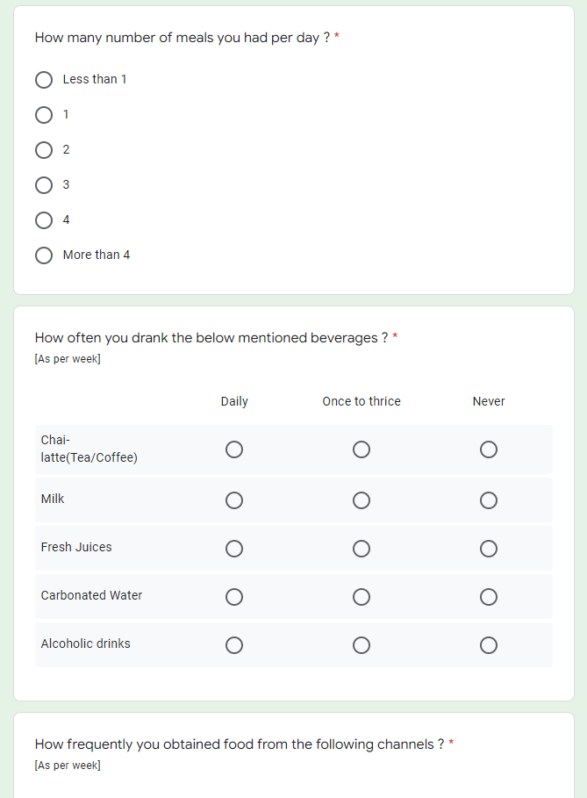
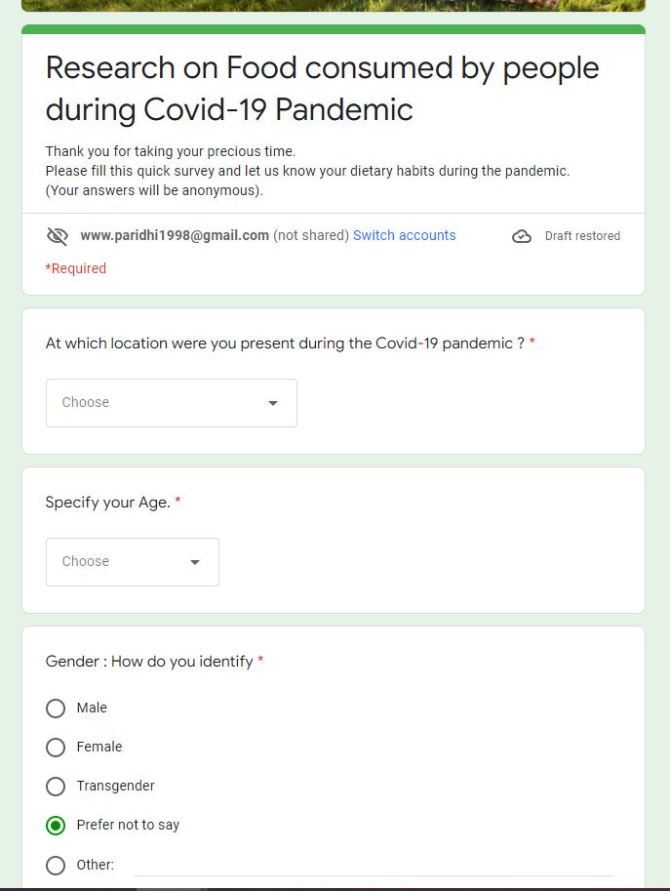
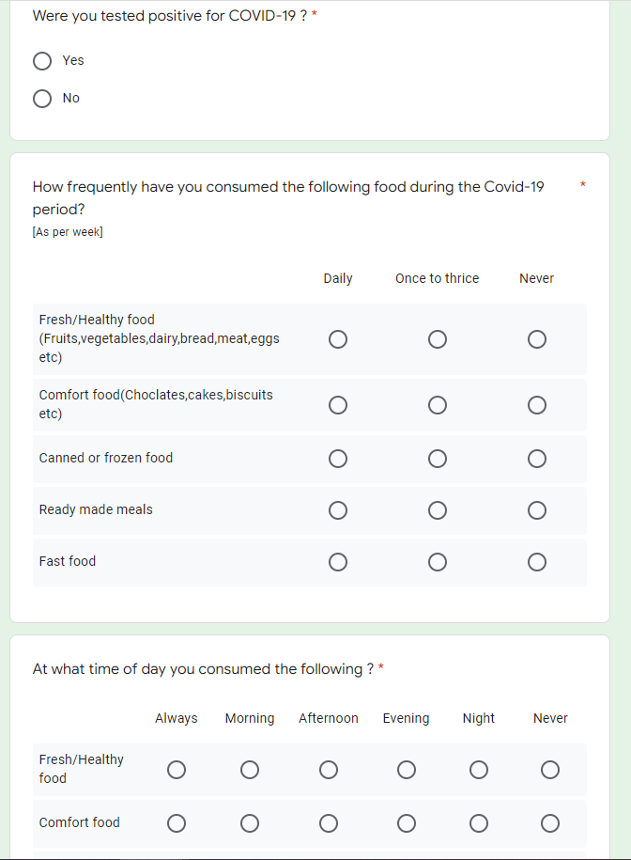
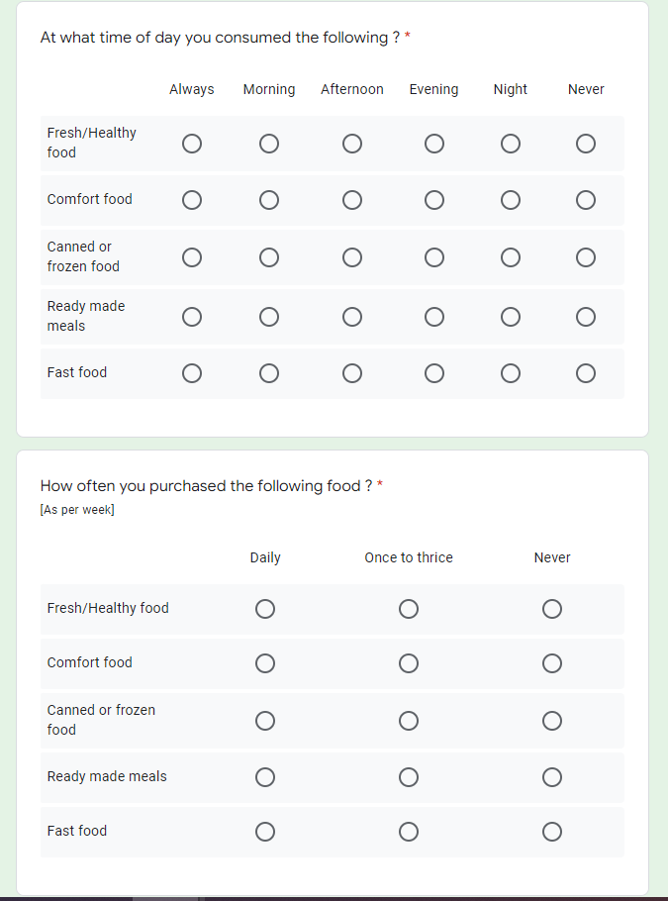
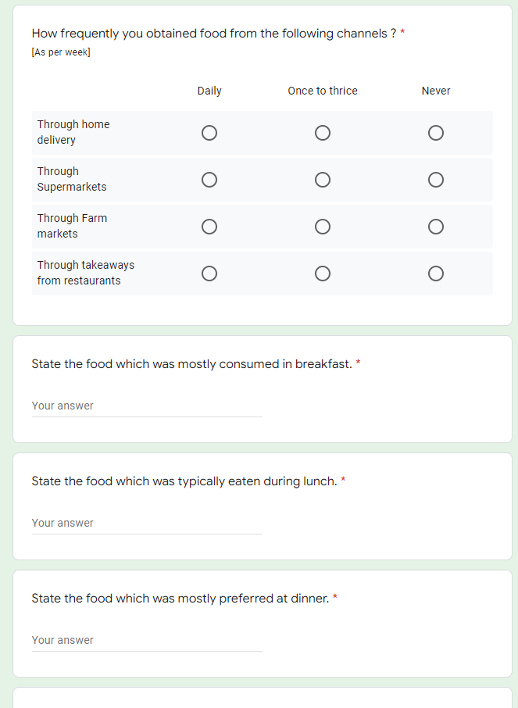
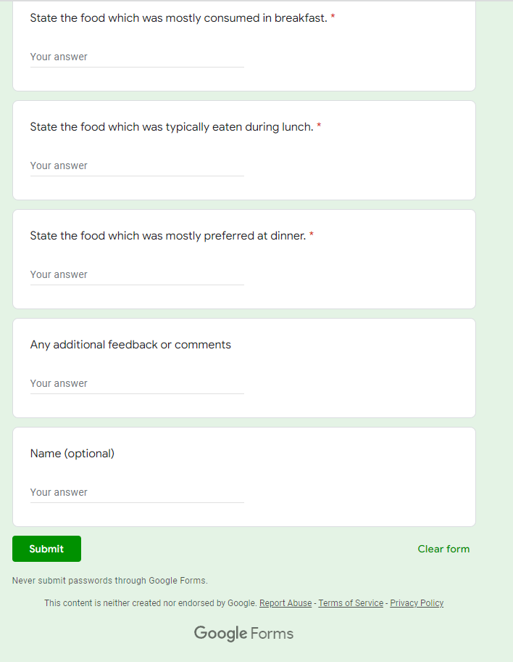
Form Link : | https://forms.gle/zGkSqWHBDSVrSwzVA

Form Screenshots :

Generic Analysis
GENERIC ANALYSIS

% of Data as per Age Groups
LOCATION WISE DATA COLLECTED
% of Data in terms of Gender
 | Total
Female | 50
Male | 67
Prefer not to say | 1
LOCATION |  |  |  |  |  |  | GENDER |  |  | AGE GROUPS

 |  |  | Residence | Count of Residence
 |  |  | Andhra Pradesh | 3.39% |  |  |  |  |  |  | Age | Count of Age
From the location Graph we could infer that mostly the data collected through Survey was from Uttarakhand consisting of 50% of the total strength |  |  | Bihar | 0.85% |  |  |  |  |  |  | 18-24 | 50.00%
 |  |  | Chandigarh | 1.69% |  |  | From the Gender Graph we can infer that the data collected % of Males were 17% greater than that from Females |  |  | From the Age Wise Distribution Graph we can infer that the data collected through 18-24 Age group was 50% of the total and least was collected from Above 64 group . | 25-34 | 13.56%
 |  |  | Delhi | 3.39% |  |  |  |  |  |  | 35-44 | 5.08%
 |  |  | Goa | 0.85% |  |  |  |  |  |  | 45-54 | 9.32% |  |  | Food Consumption | Daily | Never | Once to thrice | % of Food eaten during day | Afternoon | Always | Evening | Morning | Never | Night | Purchase frequency of Food | Daily | Never | Once to thrice
 |  |  | Gujarat | 1.69% |  |  |  |  |  |  | 55-64 | 2.54% | Meals per day | Count of Meals per day | Fresh/Healthy Food | 84.75% | 1.69% | 13.56% | Fresh/Healthy Food | 9.32% | 71.19% | 1.69% | 16.10% | 0.85% | 0.85% | Fresh/Healthy Food | 67.80% | 8.47% | 23.73%
 |  |  | Haryana | 4.24% |  |  |  |  |  |  | Above 64 | 2.54% | 1 | 1.69% | Comfort Food | 15.25% | 9.32% | 75.42% | Comfort Food | 17.80% | 17.80% | 44.07% | 7.63% | 8.47% | 4.24% | Comfort Food | 11.02% | 14.41% | 74.58%
 |  |  | Himachal Pradesh | 1.69% |  |  |  |  |  |  | Under 18 | 16.95% | 2 | 13.56% | Canned Food | 5.93% | 55.08% | 38.98% | Canned Food | 13.56% | 5.08% | 18.64% | 0.00% | 51.69% | 11.02% | Canned Food | 4.24% | 61.86% | 33.90%
 |  |  | Jammu and Kashmir | 0.85% |  |  |  |  |  |  | Grand Total | 100.00% | 3 | 66.10% | Ready Made Food | 8.47% | 38.98% | 52.54% | Ready Made Food | 12.71% | 7.63% | 23.73% | 5.08% | 35.59% | 15.25% | Ready Made Food | 5.08% | 50.00% | 44.92%
 |  |  | Karnataka | 0.85% |  |  |  |  |  |  |  |  | 4 | 13.56% | Fast Food | 5.93% | 33.05% | 61.02% | Fast Food | 11.02% | 5.93% | 44.07% | 2.54% | 28.81% | 7.63% | Fast Food | 4.24% | 38.14% | 57.63%
 |  |  | Madhya Pradesh | 1.69% |  |  |  |  |  |  |  |  | Less than 1 | 0.85%
 |  |  | Maharashtra | 8.47% |  |  |  |  |  |  |  |  | More than 4 | 4.24%
 |  |  | Odisha | 0.85%
 |  |  | Punjab | 0.85%
 |  |  | Rajasthan | 1.69%
 |  |  | Tamil Nadu | 3.39%
 |  |  | Telangana | 2.54%
 |  |  | Uttar Pradesh | 10.17%
Number of Meals per day
 |  |  | Uttarakhand | 50.00%
% of people who had Covid Or not
 | Total
No | 67.80%
Yes | 32.20%
 |  |  | West Bengal | 0.85%
 |  |  | Grand Total | 100.00%
 | COVID POSITIVE OR NOT |  |  |  |  |  |  |  | MEALS PER DAY

 |  | The % of people having Covid was almost 35% less. |  |  |  |  |  |  |  |  | By seeing the line graph we could easily make out that mostly people consumed 3 meals per day, consisting 70% of the total data

Food Consumption Frequency
 |  |  |  |  | DAILY INTAKE OF DIFFERENT TYPES OF FOOD |  |  |  |  | PURCHASE FREQUENCY OF DIFFERENT TYPES OF FOOD
% of Food eaten during day
Purchase frequency of Food
TYPES OF FOOD CONSUMPTION FREQUENCY

We can easily see that Fresh Food consumption was very high during the covid period, resulting in very low yields for Canned and Fast Food. |  |  |  |  |  |  |  |  | From the graph we could infer that Fresh food was eaten always by 70% of people. Canned food wasn't eaten mostly by people |  | Most Purchased Food- Fresh food Least purchased food-Canned Food Comfort food was mostly purchased once-thrice in a week consisting 72% of data

Beverages Consumption Frequency
 | Daily | Never | Once to thrice
Tea/Coffee | 51.69% | 24.58% | 23.73%
Milk | 53.39% | 16.10% | 30.51%
Fresh Juices | 15.25% | 9.32% | 75.42%
Carbonated Water | 6.78% | 62.71% | 30.51%
Alcoholic Drink | 3.39% | 83.90% | 12.71%
Purchase % through Various Channels
 | Daily | Never | Once to Thrice
Through Home Delivery | 10.17% | 36.44% | 53.39%
Through Super Markets | 16.95% | 23.73% | 59.32%
Through Farm Markets | 27.12% | 36.44% | 36.44%
Through takeaways from Restuarants | 2.54% | 50.85% | 46.61%
 |  |  |  |  |  |  |  | PURCHASE MEDIUM OF FOOD
TYPES OF BEVERAGES CONSUMPTION

Tea/Coffee and Milk was mostly consumed daily by people found as per the data. Alcoholic Drinks were consumed the least (around 82 %). |  |  |  |  |  |  |  |  |  | The daily purchases through all the purchase source mediums were less. Farm Markets has uniform distritution for purchase. Takeaways from Restuarant was very low.

Most consumed food in Breakfast
 | (in terms of %)
Bread butter | 5.93%
Bread omelette and mix juice | 6.78%
Cereals/Oats | 9.32%
Chapati and vegetable curry | 4.24%
Dal, Rice,Chapati and Salad | 2.54%
Eggs and Milk | 4.24%
Idli / Dosa | 5.93%
Maggi | 1.69%
NA | 3.39%
Parantha | 16.95%
Parantha and green Vegetables | 16.95%
Poha/Upma | 13.56%
Rice | 3.39%
Sandwich | 2.54%
Shake/Smoothie/Tea | 1.69%
Sprouts | 0.85%
Most consumed food in Lunch
 | (in terms of %)
Butter milk | 0.85%
Chapati with green vegetables | 10.17%
Dal and rice | 43.22%
Dal, Rice and Chapati | 5.93%
Dal, rice and vegetables | 1.69%
Dal, Rice,Vegetables and Chapati | 14.41%
Fruits | 0.85%
Idli / Dosa/Sambhar | 0.85%
Khichdi | 5.08%
NA | 4.24%
Non veg | 0.85%
Rice | 7.63%
Snacks | 4.24%
Most consumed food in Dinner
 | (in terms of %)
Chapati with green vegetables | 31.36%
Chicken and fast food | 0.85%
Dal and Chapati | 4.24%
Dal and rice | 13.56%
Dal, Rice,Chapati and Salad | 11.02%
Fast food | 6.78%
Ghee | 0.85%
Green vegetables and chicken | 5.93%
Idli / Dosa/Sambhar | 5.93%
Khichdi and Soup | 7.63%
NA | 4.24%
Parantha | 1.69%
Pulao | 2.54%
Rice | 3.39%
 |  |  |  |  |  | TYPES OF FOOD CONSUMED IN LUNCH |  |  |  | TYPES OF FOOD CONSUMED IN DINNER
TYPES OF FOOD CONSUMED IN BREAKFAST

The most consumed food in Breakfast was Parantha and Green Vegetables. As per analysis it was seen that Poha/Upma was eaten mostly by people of South. Sprouts was the least consumed. |  |  |  |  |  |  |  |  | Dal and Rice has the highest consumption in lunch. Non-Veg consumption was just 1%. |  | Most consumed food at Dinner was Chapati and Green Vegetables. The consumption of Non-Veg was low.

Fresh_Healthy Food Analysis
Fresh/Healthy food ANALYSIS

Food consumption frequency |  |  |  |  |  |  | Daily intake of Fresh/Healthy food |  |  |  |  |  |  |  | Purchase frequency of food
Count of Fresh/Healthy food | Fresh/Healthy food |  |  |  |  |  | Count of Fresh/Healthy food2 | Fresh/Healthy food2 |  |  |  |  |  |  | Count of Fresh/Healthy food3 | Fresh/Healthy food3
Residence | Daily | Never | Once to thrice | Grand Total |  |  | Residence | Afternoon | Always | Evening | Morning | Never | Night | Grand Total | Residence | Daily | Never | Once to thrice | Grand Total
Andhra Pradesh | 100.00% | 0.00% | 0.00% | 100.00% |  |  | Andhra Pradesh | 0.00% | 100.00% | 0.00% | 0.00% | 0.00% | 0.00% | 100.00% | Andhra Pradesh | 75.00% | 0.00% | 25.00% | 100.00%
Bihar | 100.00% | 0.00% | 0.00% | 100.00% |  |  | Bihar | 0.00% | 0.00% | 0.00% | 100.00% | 0.00% | 0.00% | 100.00% | Bihar | 100.00% | 0.00% | 0.00% | 100.00%
Chandigarh | 50.00% | 0.00% | 50.00% | 100.00% |  |  | Chandigarh | 0.00% | 50.00% | 0.00% | 50.00% | 0.00% | 0.00% | 100.00% | Chandigarh | 0.00% | 0.00% | 100.00% | 100.00%
Delhi | 100.00% | 0.00% | 0.00% | 100.00% |  |  | Delhi | 0.00% | 100.00% | 0.00% | 0.00% | 0.00% | 0.00% | 100.00% | Delhi | 75.00% | 0.00% | 25.00% | 100.00%
Goa | 100.00% | 0.00% | 0.00% | 100.00% |  |  | Goa | 0.00% | 100.00% | 0.00% | 0.00% | 0.00% | 0.00% | 100.00% | Goa | 100.00% | 0.00% | 0.00% | 100.00%
Gujarat | 50.00% | 0.00% | 50.00% | 100.00% |  |  | Gujarat | 50.00% | 50.00% | 0.00% | 0.00% | 0.00% | 0.00% | 100.00% | Gujarat | 50.00% | 0.00% | 50.00% | 100.00%
Haryana | 100.00% | 0.00% | 0.00% | 100.00% |  |  | Haryana | 0.00% | 100.00% | 0.00% | 0.00% | 0.00% | 0.00% | 100.00% | Haryana | 100.00% | 0.00% | 0.00% | 100.00%
Himachal Pradesh | 100.00% | 0.00% | 0.00% | 100.00% |  |  | Himachal Pradesh | 0.00% | 100.00% | 0.00% | 0.00% | 0.00% | 0.00% | 100.00% | Himachal Pradesh | 100.00% | 0.00% | 0.00% | 100.00%
Jammu and Kashmir | 0.00% | 0.00% | 100.00% | 100.00% |  |  | Jammu and Kashmir | 0.00% | 0.00% | 0.00% | 100.00% | 0.00% | 0.00% | 100.00% | Jammu and Kashmir | 100.00% | 0.00% | 0.00% | 100.00%
Karnataka | 100.00% | 0.00% | 0.00% | 100.00% |  |  | Karnataka | 0.00% | 100.00% | 0.00% | 0.00% | 0.00% | 0.00% | 100.00% | Karnataka | 0.00% | 0.00% | 100.00% | 100.00%
Madhya Pradesh | 100.00% | 0.00% | 0.00% | 100.00% |  |  | Madhya Pradesh | 0.00% | 100.00% | 0.00% | 0.00% | 0.00% | 0.00% | 100.00% | Madhya Pradesh | 100.00% | 0.00% | 0.00% | 100.00%
Maharashtra | 100.00% | 0.00% | 0.00% | 100.00% |  |  | Maharashtra | 10.00% | 60.00% | 0.00% | 20.00% | 0.00% | 10.00% | 100.00% | Maharashtra | 40.00% | 20.00% | 40.00% | 100.00%
Odisha | 0.00% | 0.00% | 100.00% | 100.00% |  |  | Odisha | 0.00% | 100.00% | 0.00% | 0.00% | 0.00% | 0.00% | 100.00% | Odisha | 100.00% | 0.00% | 0.00% | 100.00%
Punjab | 100.00% | 0.00% | 0.00% | 100.00% |  |  | Punjab | 0.00% | 100.00% | 0.00% | 0.00% | 0.00% | 0.00% | 100.00% | Punjab | 100.00% | 0.00% | 0.00% | 100.00%
Rajasthan | 100.00% | 0.00% | 0.00% | 100.00% |  |  | Rajasthan | 0.00% | 100.00% | 0.00% | 0.00% | 0.00% | 0.00% | 100.00% | Rajasthan | 50.00% | 0.00% | 50.00% | 100.00%
Tamil Nadu | 75.00% | 0.00% | 25.00% | 100.00% |  |  | Tamil Nadu | 0.00% | 75.00% | 0.00% | 25.00% | 0.00% | 0.00% | 100.00% | Tamil Nadu | 50.00% | 50.00% | 0.00% | 100.00%
Telangana | 100.00% | 0.00% | 0.00% | 100.00% |  |  | Telangana | 33.33% | 66.67% | 0.00% | 0.00% | 0.00% | 0.00% | 100.00% | Telangana | 33.33% | 0.00% | 66.67% | 100.00%
Uttar Pradesh | 83.33% | 0.00% | 16.67% | 100.00% |  |  | Uttar Pradesh | 16.67% | 66.67% | 8.33% | 8.33% | 0.00% | 0.00% | 100.00% | Uttar Pradesh | 58.33% | 8.33% | 33.33% | 100.00%
Uttarakhand | 83.05% | 3.39% | 13.56% | 100.00% |  |  | Uttarakhand | 8.47% | 67.80% | 1.69% | 20.34% | 1.69% | 0.00% | 100.00% | Uttarakhand | 74.58% | 8.47% | 16.95% | 100.00%
West Bengal | 0.00% | 0.00% | 100.00% | 100.00% |  |  | West Bengal | 100.00% | 0.00% | 0.00% | 0.00% | 0.00% | 0.00% | 100.00% | West Bengal | 0.00% | 0.00% | 100.00% | 100.00%
Grand Total | 84.75% | 1.69% | 13.56% | 100.00% |  |  | Grand Total | 9.32% | 71.19% | 1.69% | 16.10% | 0.85% | 0.85% | 100.00% | Grand Total | 67.80% | 8.47% | 23.73% | 100.00%

Fresh Food Consumption Frequency (State Wise)
% of Fresh food eaten during day(State wise)
Purchase Frequency of Fresh Food (State Wise)

Food consumption frequency
% of fresh food eaten during day
 | Daily | Never | Once-thrice
Grand Total | 84.75% | 1.69% | 13.56%
 |  |  |  |  |  |  |  | Afternoon | Always | Evening | Morning | Never | Night
 |  |  |  |  |  |  | Grand Total | 9.32% | 71.19% | 1.69% | 16.10% | 0.85% | 0.85%

 |  |  |  |  |  |  |  |  |  |  |  |  |  |  |  | Daily | Never | Once to thrice
 |  |  |  |  |  |  |  |  |  |  |  |  |  |  | Purchase percentage of Fresh food | 67.80% | 8.47% | 23.73%

Age Wise Consumption of Fresh food
 | Daily | Never | Once to thrice
18-24 | 81.36% | 1.69% | 16.95%
25-34 | 87.50% | 0.00% | 12.50%
35-44 | 100.00% | 0.00% | 0.00%
45-54 | 100.00% | 0.00% | 0.00%
55-64 | 100.00% | 0.00% | 0.00%
Above 64 | 100.00% | 0.00% | 0.00%
Under 18 | 75.00% | 5.00% | 20.00%
 |  |  |  | AGE WISE FRESH FOOD CONSUMPTION

 |  |  |  |  | Count of Fresh/Healthy food | Fresh/Healthy food
 |  |  |  |  | Age | Daily | Never | Once to thrice | Grand Total
 |  |  |  |  | 18-24 | 81.36% | 1.69% | 16.95% | 100.00%
 |  |  |  |  | 25-34 | 87.50% | 0.00% | 12.50% | 100.00%
 |  |  |  |  | 35-44 | 100.00% | 0.00% | 0.00% | 100.00%
 |  |  |  |  | 45-54 | 100.00% | 0.00% | 0.00% | 100.00%
 |  |  |  |  | 55-64 | 100.00% | 0.00% | 0.00% | 100.00%
 |  |  |  |  | Above 64 | 100.00% | 0.00% | 0.00% | 100.00%
 |  |  |  |  | Under 18 | 75.00% | 5.00% | 20.00% | 100.00%
 |  |  |  |  | Grand Total | 84.75% | 1.69% | 13.56% | 100.00%

Comfort Food Analysis
Comfort Food Analysis

Food consumption frequency |  |  |  |  |  | Daily intake of Comfort food |  |  |  |  |  |  |  | Purchase frequency of food
Count of Comfort food | Comfort food |  |  |  |  | Count of Comfort food2 | Comfort food2 |  |  |  |  |  |  | Count of Comfort food3 | Comfort food3
Residence | Daily | Never | Once to thrice | Grand Total |  | Residence | Afternoon | Always | Evening | Morning | Never | Night | Grand Total | Residence | Daily | Never | Once to thrice | Grand Total
Andhra Pradesh | 25.00% | 25.00% | 50.00% | 100.00% |  | Andhra Pradesh | 25.00% | 50.00% | 0.00% | 0.00% | 25.00% | 0.00% | 100.00% | Andhra Pradesh | 0.00% | 50.00% | 50.00% | 100.00%
Bihar | 0.00% | 0.00% | 100.00% | 100.00% |  | Bihar | 100.00% | 0.00% | 0.00% | 0.00% | 0.00% | 0.00% | 100.00% | Bihar | 100.00% | 0.00% | 0.00% | 100.00%
Chandigarh | 100.00% | 0.00% | 0.00% | 100.00% |  | Chandigarh | 50.00% | 0.00% | 50.00% | 0.00% | 0.00% | 0.00% | 100.00% | Chandigarh | 50.00% | 0.00% | 50.00% | 100.00%
Delhi | 0.00% | 0.00% | 100.00% | 100.00% |  | Delhi | 0.00% | 25.00% | 75.00% | 0.00% | 0.00% | 0.00% | 100.00% | Delhi | 25.00% | 0.00% | 75.00% | 100.00%
Goa | 0.00% | 0.00% | 100.00% | 100.00% |  | Goa | 0.00% | 0.00% | 100.00% | 0.00% | 0.00% | 0.00% | 100.00% | Goa | 0.00% | 0.00% | 100.00% | 100.00%
Gujarat | 0.00% | 0.00% | 100.00% | 100.00% |  | Gujarat | 0.00% | 0.00% | 100.00% | 0.00% | 0.00% | 0.00% | 100.00% | Gujarat | 0.00% | 0.00% | 100.00% | 100.00%
Haryana | 0.00% | 0.00% | 100.00% | 100.00% |  | Haryana | 0.00% | 0.00% | 80.00% | 0.00% | 0.00% | 20.00% | 100.00% | Haryana | 0.00% | 0.00% | 100.00% | 100.00%
Himachal Pradesh | 0.00% | 0.00% | 100.00% | 100.00% |  | Himachal Pradesh | 0.00% | 0.00% | 100.00% | 0.00% | 0.00% | 0.00% | 100.00% | Himachal Pradesh | 0.00% | 0.00% | 100.00% | 100.00%
Jammu and Kashmir | 100.00% | 0.00% | 0.00% | 100.00% |  | Jammu and Kashmir | 0.00% | 100.00% | 0.00% | 0.00% | 0.00% | 0.00% | 100.00% | Jammu and Kashmir | 100.00% | 0.00% | 0.00% | 100.00%
Karnataka | 100.00% | 0.00% | 0.00% | 100.00% |  | Karnataka | 0.00% | 0.00% | 100.00% | 0.00% | 0.00% | 0.00% | 100.00% | Karnataka | 0.00% | 0.00% | 100.00% | 100.00%
Madhya Pradesh | 0.00% | 0.00% | 100.00% | 100.00% |  | Madhya Pradesh | 0.00% | 0.00% | 0.00% | 50.00% | 0.00% | 50.00% | 100.00% | Madhya Pradesh | 0.00% | 0.00% | 100.00% | 100.00%
Maharashtra | 0.00% | 10.00% | 90.00% | 100.00% |  | Maharashtra | 20.00% | 0.00% | 40.00% | 10.00% | 10.00% | 20.00% | 100.00% | Maharashtra | 0.00% | 30.00% | 70.00% | 100.00%
Odisha | 0.00% | 0.00% | 100.00% | 100.00% |  | Odisha | 100.00% | 0.00% | 0.00% | 0.00% | 0.00% | 0.00% | 100.00% | Odisha | 0.00% | 100.00% | 0.00% | 100.00%
Punjab | 0.00% | 0.00% | 100.00% | 100.00% |  | Punjab | 0.00% | 0.00% | 100.00% | 0.00% | 0.00% | 0.00% | 100.00% | Punjab | 0.00% | 0.00% | 100.00% | 100.00%
Rajasthan | 0.00% | 0.00% | 100.00% | 100.00% |  | Rajasthan | 0.00% | 50.00% | 50.00% | 0.00% | 0.00% | 0.00% | 100.00% | Rajasthan | 0.00% | 50.00% | 50.00% | 100.00%
Tamil Nadu | 0.00% | 25.00% | 75.00% | 100.00% |  | Tamil Nadu | 75.00% | 25.00% | 0.00% | 0.00% | 0.00% | 0.00% | 100.00% | Tamil Nadu | 50.00% | 50.00% | 0.00% | 100.00%
Telangana | 33.33% | 0.00% | 66.67% | 100.00% |  | Telangana | 33.33% | 33.33% | 0.00% | 33.33% | 0.00% | 0.00% | 100.00% | Telangana | 0.00% | 0.00% | 100.00% | 100.00%
Uttar Pradesh | 16.67% | 33.33% | 50.00% | 100.00% |  | Uttar Pradesh | 8.33% | 16.67% | 25.00% | 16.67% | 25.00% | 8.33% | 100.00% | Uttar Pradesh | 8.33% | 33.33% | 58.33% | 100.00%
Uttarakhand | 16.95% | 5.08% | 77.97% | 100.00% |  | Uttarakhand | 16.95% | 18.64% | 49.15% | 6.78% | 8.47% | 0.00% | 100.00% | Uttarakhand | 10.17% | 6.78% | 83.05% | 100.00%
West Bengal | 0.00% | 100.00% | 0.00% | 100.00% |  | West Bengal | 0.00% | 100.00% | 0.00% | 0.00% | 0.00% | 0.00% | 100.00% | West Bengal | 0.00% | 0.00% | 100.00% | 100.00%
Grand Total | 15.25% | 9.32% | 75.42% | 100.00% |  | Grand Total | 17.80% | 17.80% | 44.07% | 7.63% | 8.47% | 4.24% | 100.00% | Grand Total | 11.02% | 14.41% | 74.58% | 100.00%

Comfort Food Consumption Frequency (State Wise)
% of Comfort food eaten during day(State wise)
Purchase Frequency of Comfort Food (State Wise)

Purchase % of Comfort Food
Comfort Food Consumption
% of Comfort Food eaten during day

 | Daily | Never | Once to thrice |  |  |  | Afternoon | Always | Evening | Morning | Never | Night |  |  | Daily | Never | Once to thrice
Grand Total | 15.25% | 9.32% | 75.42% |  |  | Grand Total | 17.80% | 17.80% | 44.07% | 7.63% | 8.47% | 4.24% |  | Grand Total | 11.02% | 14.41% | 74.58%

Age Wise Consumption of Comfort food
 |  |  |  |  | AGE WISE COMFORT FOOD CONSUMPTION

 |  |  |  |  |  | Count of Comfort food | Comfort food
 |  |  |  |  |  | Age | Daily | Never | Once to thrice | Grand Total
 |  |  |  |  |  | 18-24 | 18.64% | 8.47% | 72.88% | 100.00%
 |  |  |  |  |  | 25-34 | 0.00% | 6.25% | 93.75% | 100.00%
 |  |  |  |  |  | 35-44 | 16.67% | 50.00% | 33.33% | 100.00%
 |  |  |  |  |  | 45-54 | 0.00% | 0.00% | 100.00% | 100.00%
 |  |  |  |  |  | 55-64 | 0.00% | 0.00% | 100.00% | 100.00%
 |  |  |  |  |  | Above 64 | 0.00% | 0.00% | 100.00% | 100.00%
 |  |  |  |  |  | Under 18 | 30.00% | 10.00% | 60.00% | 100.00%
 |  |  |  |  |  | Grand Total | 15.25% | 9.32% | 75.42% | 100.00%

Canned_Frozen Food Analysis
Canned/Frozen Food Analysis

Food consumption frequency |  |  |  |  |  |  | Daily intake of Canned food |  |  |  |  |  |  | Purchase frequency of food
Count of Canned/Frozen food | Canned/Frozen food |  |  |  |  |  | Count of Canned/Frozen food2 | Canned/Frozen food2 |  |  |  |  |  | Count of Canned/Frozen food3 | Canned/Frozen food3
Residence | Daily | Never | Once to thrice | Grand Total |  |  | Residence | Afternoon | Always | Evening | Never | Night | Grand Total | Residence | Daily | Never | Once to thrice | Grand Total
Andhra Pradesh | 0.00% | 75.00% | 25.00% | 100.00% |  |  | Andhra Pradesh | 25.00% | 0.00% | 0.00% | 75.00% | 0.00% | 100.00% | Andhra Pradesh | 0.00% | 100.00% | 0.00% | 100.00%
Bihar | 0.00% | 0.00% | 100.00% | 100.00% |  |  | Bihar | 0.00% | 0.00% | 0.00% | 100.00% | 0.00% | 100.00% | Bihar | 0.00% | 100.00% | 0.00% | 100.00%
Chandigarh | 50.00% | 50.00% | 0.00% | 100.00% |  |  | Chandigarh | 0.00% | 50.00% | 0.00% | 50.00% | 0.00% | 100.00% | Chandigarh | 50.00% | 50.00% | 0.00% | 100.00%
Delhi | 0.00% | 25.00% | 75.00% | 100.00% |  |  | Delhi | 25.00% | 0.00% | 25.00% | 25.00% | 25.00% | 100.00% | Delhi | 0.00% | 50.00% | 50.00% | 100.00%
Goa | 0.00% | 0.00% | 100.00% | 100.00% |  |  | Goa | 0.00% | 0.00% | 100.00% | 0.00% | 0.00% | 100.00% | Goa | 0.00% | 0.00% | 100.00% | 100.00%
Gujarat | 0.00% | 50.00% | 50.00% | 100.00% |  |  | Gujarat | 0.00% | 0.00% | 0.00% | 50.00% | 50.00% | 100.00% | Gujarat | 0.00% | 50.00% | 50.00% | 100.00%
Haryana | 0.00% | 80.00% | 20.00% | 100.00% |  |  | Haryana | 0.00% | 0.00% | 0.00% | 60.00% | 40.00% | 100.00% | Haryana | 0.00% | 60.00% | 40.00% | 100.00%
Himachal Pradesh | 0.00% | 100.00% | 0.00% | 100.00% |  |  | Himachal Pradesh | 0.00% | 0.00% | 0.00% | 100.00% | 0.00% | 100.00% | Himachal Pradesh | 0.00% | 100.00% | 0.00% | 100.00%
Jammu and Kashmir | 100.00% | 0.00% | 0.00% | 100.00% |  |  | Jammu and Kashmir | 0.00% | 100.00% | 0.00% | 0.00% | 0.00% | 100.00% | Jammu and Kashmir | 100.00% | 0.00% | 0.00% | 100.00%
Karnataka | 0.00% | 0.00% | 100.00% | 100.00% |  |  | Karnataka | 0.00% | 0.00% | 100.00% | 0.00% | 0.00% | 100.00% | Karnataka | 0.00% | 0.00% | 100.00% | 100.00%
Madhya Pradesh | 0.00% | 0.00% | 100.00% | 100.00% |  |  | Madhya Pradesh | 50.00% | 0.00% | 0.00% | 50.00% | 0.00% | 100.00% | Madhya Pradesh | 0.00% | 0.00% | 100.00% | 100.00%
Maharashtra | 0.00% | 60.00% | 40.00% | 100.00% |  |  | Maharashtra | 20.00% | 0.00% | 20.00% | 50.00% | 10.00% | 100.00% | Maharashtra | 0.00% | 40.00% | 60.00% | 100.00%
Odisha | 0.00% | 0.00% | 100.00% | 100.00% |  |  | Odisha | 100.00% | 0.00% | 0.00% | 0.00% | 0.00% | 100.00% | Odisha | 0.00% | 100.00% | 0.00% | 100.00%
Punjab | 0.00% | 0.00% | 100.00% | 100.00% |  |  | Punjab | 0.00% | 0.00% | 100.00% | 0.00% | 0.00% | 100.00% | Punjab | 0.00% | 0.00% | 100.00% | 100.00%
Rajasthan | 0.00% | 50.00% | 50.00% | 100.00% |  |  | Rajasthan | 50.00% | 0.00% | 0.00% | 50.00% | 0.00% | 100.00% | Rajasthan | 0.00% | 100.00% | 0.00% | 100.00%
Tamil Nadu | 0.00% | 100.00% | 0.00% | 100.00% |  |  | Tamil Nadu | 0.00% | 0.00% | 0.00% | 100.00% | 0.00% | 100.00% | Tamil Nadu | 0.00% | 100.00% | 0.00% | 100.00%
Telangana | 33.33% | 0.00% | 66.67% | 100.00% |  |  | Telangana | 0.00% | 33.33% | 33.33% | 0.00% | 33.33% | 100.00% | Telangana | 0.00% | 0.00% | 100.00% | 100.00%
Uttar Pradesh | 16.67% | 50.00% | 33.33% | 100.00% |  |  | Uttar Pradesh | 8.33% | 16.67% | 16.67% | 58.33% | 0.00% | 100.00% | Uttar Pradesh | 16.67% | 58.33% | 25.00% | 100.00%
Uttarakhand | 3.39% | 59.32% | 37.29% | 100.00% |  |  | Uttarakhand | 13.56% | 1.69% | 22.03% | 50.85% | 11.86% | 100.00% | Uttarakhand | 1.69% | 67.80% | 30.51% | 100.00%
West Bengal | 0.00% | 100.00% | 0.00% | 100.00% |  |  | West Bengal | 0.00% | 0.00% | 0.00% | 100.00% | 0.00% | 100.00% | West Bengal | 0.00% | 100.00% | 0.00% | 100.00%
Grand Total | 5.93% | 55.08% | 38.98% | 100.00% |  |  | Grand Total | 13.56% | 5.08% | 18.64% | 51.69% | 11.02% | 100.00% | Grand Total | 4.24% | 61.86% | 33.90% | 100.00%

Canned Food Consumption Frequency (State Wise)
% of Canned food eaten during day(State wise)
Purchase Frequency of Canned Food (State Wise)

Canned Food Consumption
% of Canned Food eaten during day
Purchase % of Canned Food

 | Daily | Never | Once to thrice |  |  |  |  | Afternoon | Always | Evening | Never | Night |  |  | Daily | Never | Once to thrice
Grand Total | 5.93% | 55.08% | 38.98% |  |  |  | Grand Total | 13.56% | 5.08% | 18.64% | 51.69% | 11.02% |  | Grand Total | 4.24% | 61.86% | 33.90%

Age Wise Consumption of Canned food
 |  |  | AGE WISE CANNED/FROZEN FOOD CONSUMPTION

 |  |  | Count of Canned/Frozen food | Canned/Frozen food
 |  |  | Age | Daily | Never | Once to thrice | Grand Total
 |  |  | 18-24 | 8.47% | 45.76% | 45.76% | 100.00%
 |  |  | 25-34 | 0.00% | 56.25% | 43.75% | 100.00%
 |  |  | 35-44 | 0.00% | 83.33% | 16.67% | 100.00%
 |  |  | 45-54 | 0.00% | 54.55% | 45.45% | 100.00%
 |  |  | 55-64 | 0.00% | 100.00% | 0.00% | 100.00%
 |  |  | Above 64 | 0.00% | 100.00% | 0.00% | 100.00%
 |  |  | Under 18 | 10.00% | 60.00% | 30.00% | 100.00%
 |  |  | Grand Total | 5.93% | 55.08% | 38.98% | 100.00%

Ready Made Food Analysis
Ready Made Food Analysis

Food consumption frequency |  |  |  |  |  |  | Daily intake of Ready Made food |  |  |  |  |  |  |  | Purchase frequency of food
Count of Ready made | Ready made |  |  |  |  |  | Count of Ready made2 | Ready made2 |  |  |  |  |  |  | Count of Ready made3 | Ready made3
Residence | Daily | Never | Once to thrice | Grand Total |  |  | Residence | Afternoon | Always | Evening | Morning | Never | Night | Grand Total | Residence | Daily | Never | Once to thrice | Grand Total
Andhra Pradesh | 25.00% | 75.00% | 0.00% | 100.00% |  |  | Andhra Pradesh | 25.00% | 25.00% | 0.00% | 0.00% | 50.00% | 0.00% | 100.00% | Andhra Pradesh | 0.00% | 75.00% | 25.00% | 100.00%
Bihar | 0.00% | 100.00% | 0.00% | 100.00% |  |  | Bihar | 0.00% | 0.00% | 0.00% | 0.00% | 100.00% | 0.00% | 100.00% | Bihar | 0.00% | 100.00% | 0.00% | 100.00%
Chandigarh | 0.00% | 50.00% | 50.00% | 100.00% |  |  | Chandigarh | 0.00% | 0.00% | 0.00% | 0.00% | 50.00% | 50.00% | 100.00% | Chandigarh | 0.00% | 50.00% | 50.00% | 100.00%
Delhi | 0.00% | 0.00% | 100.00% | 100.00% |  |  | Delhi | 50.00% | 0.00% | 25.00% | 0.00% | 0.00% | 25.00% | 100.00% | Delhi | 0.00% | 0.00% | 100.00% | 100.00%
Goa | 0.00% | 0.00% | 100.00% | 100.00% |  |  | Goa | 0.00% | 0.00% | 0.00% | 0.00% | 0.00% | 100.00% | 100.00% | Goa | 0.00% | 0.00% | 100.00% | 100.00%
Gujarat | 0.00% | 0.00% | 100.00% | 100.00% |  |  | Gujarat | 0.00% | 0.00% | 50.00% | 0.00% | 0.00% | 50.00% | 100.00% | Gujarat | 0.00% | 0.00% | 100.00% | 100.00%
Haryana | 0.00% | 40.00% | 60.00% | 100.00% |  |  | Haryana | 0.00% | 0.00% | 60.00% | 0.00% | 40.00% | 0.00% | 100.00% | Haryana | 0.00% | 60.00% | 40.00% | 100.00%
Himachal Pradesh | 0.00% | 0.00% | 100.00% | 100.00% |  |  | Himachal Pradesh | 50.00% | 0.00% | 0.00% | 0.00% | 0.00% | 50.00% | 100.00% | Himachal Pradesh | 0.00% | 0.00% | 100.00% | 100.00%
Jammu and Kashmir | 100.00% | 0.00% | 0.00% | 100.00% |  |  | Jammu and Kashmir | 0.00% | 100.00% | 0.00% | 0.00% | 0.00% | 0.00% | 100.00% | Jammu and Kashmir | 100.00% | 0.00% | 0.00% | 100.00%
Karnataka | 0.00% | 0.00% | 100.00% | 100.00% |  |  | Karnataka | 0.00% | 0.00% | 0.00% | 0.00% | 0.00% | 100.00% | 100.00% | Karnataka | 0.00% | 0.00% | 100.00% | 100.00%
Madhya Pradesh | 0.00% | 0.00% | 100.00% | 100.00% |  |  | Madhya Pradesh | 0.00% | 0.00% | 50.00% | 0.00% | 50.00% | 0.00% | 100.00% | Madhya Pradesh | 0.00% | 50.00% | 50.00% | 100.00%
Maharashtra | 0.00% | 50.00% | 50.00% | 100.00% |  |  | Maharashtra | 10.00% | 0.00% | 20.00% | 10.00% | 30.00% | 30.00% | 100.00% | Maharashtra | 0.00% | 50.00% | 50.00% | 100.00%
Odisha | 100.00% | 0.00% | 0.00% | 100.00% |  |  | Odisha | 0.00% | 100.00% | 0.00% | 0.00% | 0.00% | 0.00% | 100.00% | Odisha | 100.00% | 0.00% | 0.00% | 100.00%
Punjab | 0.00% | 0.00% | 100.00% | 100.00% |  |  | Punjab | 0.00% | 0.00% | 0.00% | 0.00% | 0.00% | 100.00% | 100.00% | Punjab | 0.00% | 0.00% | 100.00% | 100.00%
Rajasthan | 0.00% | 50.00% | 50.00% | 100.00% |  |  | Rajasthan | 50.00% | 0.00% | 0.00% | 0.00% | 50.00% | 0.00% | 100.00% | Rajasthan | 0.00% | 100.00% | 0.00% | 100.00%
Tamil Nadu | 0.00% | 100.00% | 0.00% | 100.00% |  |  | Tamil Nadu | 0.00% | 0.00% | 0.00% | 0.00% | 100.00% | 0.00% | 100.00% | Tamil Nadu | 0.00% | 100.00% | 0.00% | 100.00%
Telangana | 66.67% | 0.00% | 33.33% | 100.00% |  |  | Telangana | 0.00% | 33.33% | 33.33% | 0.00% | 0.00% | 33.33% | 100.00% | Telangana | 0.00% | 0.00% | 100.00% | 100.00%
Uttar Pradesh | 8.33% | 50.00% | 41.67% | 100.00% |  |  | Uttar Pradesh | 0.00% | 16.67% | 25.00% | 8.33% | 50.00% | 0.00% | 100.00% | Uttar Pradesh | 25.00% | 58.33% | 16.67% | 100.00%
Uttarakhand | 6.78% | 38.98% | 54.24% | 100.00% |  |  | Uttarakhand | 15.25% | 5.08% | 25.42% | 6.78% | 35.59% | 11.86% | 100.00% | Uttarakhand | 1.69% | 54.24% | 44.07% | 100.00%
West Bengal | 0.00% | 0.00% | 100.00% | 100.00% |  |  | West Bengal | 0.00% | 0.00% | 100.00% | 0.00% | 0.00% | 0.00% | 100.00% | West Bengal | 0.00% | 0.00% | 100.00% | 100.00%
Grand Total | 8.47% | 38.98% | 52.54% | 100.00% |  |  | Grand Total | 12.71% | 7.63% | 23.73% | 5.08% | 35.59% | 15.25% | 100.00% | Grand Total | 5.08% | 50.00% | 44.92% | 100.00%

Ready Made Food Consumption Frequency (State Wise)
% of Ready Made food eaten during day(State wise)
Purchase Frequency of Ready Made Food (State Wise)

Ready Made Food Consumption
Purchase % of Ready Made Food
% of Ready Made Food eaten during day

 | Daily | Never | Once to thrice |  |  |  |  | Afternoon | Always | Evening | Morning | Never | Night |  |  | Daily | Never | Once to thrice
Grand Total | 8.47% | 38.98% | 52.54% |  |  |  | Grand Total | 12.71% | 7.63% | 23.73% | 5.08% | 35.59% | 15.25% |  | Grand Total | 5.08% | 50.00% | 44.92%

Age Wise Consumption of Ready Made food
 |  |  |  | AGE WISE READY MADE FOOD CONSUMPTION

 |  |  |  | Count of Ready made | Ready made
 |  |  |  | Age | Daily | Never | Once to thrice | Grand Total
 |  |  |  | 18-24 | 8.47% | 40.68% | 50.85% | 100.00%
 |  |  |  | 25-34 | 6.25% | 43.75% | 50.00% | 100.00%
 |  |  |  | 35-44 | 16.67% | 50.00% | 33.33% | 100.00%
 |  |  |  | 45-54 | 0.00% | 18.18% | 81.82% | 100.00%
 |  |  |  | 55-64 | 0.00% | 0.00% | 100.00% | 100.00%
 |  |  |  | Above 64 | 0.00% | 33.33% | 66.67% | 100.00%
 |  |  |  | Under 18 | 15.00% | 45.00% | 40.00% | 100.00%
 |  |  |  | Grand Total | 8.47% | 38.98% | 52.54% | 100.00%

Fast Food Analysis
Fast Food Analysis

Food consumption frequency |  |  |  |  |  |  | Daily intake of Fast food |  |  |  |  |  |  |  | Purchase frequency of food
Count of Fast food | Fast food |  |  |  |  |  | Count of Fast food2 | Fast food2 |  |  |  |  |  |  | Count of Fast food3 | Fast food3
Residence | Daily | Never | Once to thrice | Grand Total |  |  | Residence | Afternoon | Always | Evening | Morning | Never | Night | Grand Total | Residence | Daily | Never | Once to thrice | Grand Total
Andhra Pradesh | 0.00% | 75.00% | 25.00% | 100.00% |  |  | Andhra Pradesh | 25.00% | 0.00% | 25.00% | 0.00% | 50.00% | 0.00% | 100.00% | Andhra Pradesh | 0.00% | 75.00% | 25.00% | 100.00%
Bihar | 0.00% | 0.00% | 100.00% | 100.00% |  |  | Bihar | 0.00% | 0.00% | 100.00% | 0.00% | 0.00% | 0.00% | 100.00% | Bihar | 0.00% | 100.00% | 0.00% | 100.00%
Chandigarh | 50.00% | 0.00% | 50.00% | 100.00% |  |  | Chandigarh | 0.00% | 0.00% | 100.00% | 0.00% | 0.00% | 0.00% | 100.00% | Chandigarh | 50.00% | 0.00% | 50.00% | 100.00%
Delhi | 0.00% | 50.00% | 50.00% | 100.00% |  |  | Delhi | 25.00% | 0.00% | 25.00% | 0.00% | 50.00% | 0.00% | 100.00% | Delhi | 0.00% | 25.00% | 75.00% | 100.00%
Goa | 0.00% | 0.00% | 100.00% | 100.00% |  |  | Goa | 0.00% | 0.00% | 100.00% | 0.00% | 0.00% | 0.00% | 100.00% | Goa | 0.00% | 0.00% | 100.00% | 100.00%
Gujarat | 0.00% | 0.00% | 100.00% | 100.00% |  |  | Gujarat | 0.00% | 0.00% | 100.00% | 0.00% | 0.00% | 0.00% | 100.00% | Gujarat | 0.00% | 0.00% | 100.00% | 100.00%
Haryana | 0.00% | 20.00% | 80.00% | 100.00% |  |  | Haryana | 0.00% | 0.00% | 80.00% | 0.00% | 0.00% | 20.00% | 100.00% | Haryana | 0.00% | 20.00% | 80.00% | 100.00%
Himachal Pradesh | 0.00% | 50.00% | 50.00% | 100.00% |  |  | Himachal Pradesh | 0.00% | 0.00% | 50.00% | 0.00% | 50.00% | 0.00% | 100.00% | Himachal Pradesh | 0.00% | 50.00% | 50.00% | 100.00%
Jammu and Kashmir | 100.00% | 0.00% | 0.00% | 100.00% |  |  | Jammu and Kashmir | 0.00% | 100.00% | 0.00% | 0.00% | 0.00% | 0.00% | 100.00% | Jammu and Kashmir | 0.00% | 0.00% | 100.00% | 100.00%
Karnataka | 0.00% | 0.00% | 100.00% | 100.00% |  |  | Karnataka | 0.00% | 0.00% | 0.00% | 0.00% | 0.00% | 100.00% | 100.00% | Karnataka | 0.00% | 0.00% | 100.00% | 100.00%
Madhya Pradesh | 0.00% | 0.00% | 100.00% | 100.00% |  |  | Madhya Pradesh | 0.00% | 0.00% | 50.00% | 0.00% | 50.00% | 0.00% | 100.00% | Madhya Pradesh | 0.00% | 50.00% | 50.00% | 100.00%
Maharashtra | 0.00% | 50.00% | 50.00% | 100.00% |  |  | Maharashtra | 10.00% | 0.00% | 40.00% | 0.00% | 30.00% | 20.00% | 100.00% | Maharashtra | 0.00% | 40.00% | 60.00% | 100.00%
Odisha | 0.00% | 0.00% | 100.00% | 100.00% |  |  | Odisha | 100.00% | 0.00% | 0.00% | 0.00% | 0.00% | 0.00% | 100.00% | Odisha | 0.00% | 100.00% | 0.00% | 100.00%
Punjab | 0.00% | 0.00% | 100.00% | 100.00% |  |  | Punjab | 0.00% | 0.00% | 100.00% | 0.00% | 0.00% | 0.00% | 100.00% | Punjab | 0.00% | 0.00% | 100.00% | 100.00%
Rajasthan | 0.00% | 50.00% | 50.00% | 100.00% |  |  | Rajasthan | 50.00% | 0.00% | 0.00% | 0.00% | 50.00% | 0.00% | 100.00% | Rajasthan | 0.00% | 100.00% | 0.00% | 100.00%
Tamil Nadu | 0.00% | 75.00% | 25.00% | 100.00% |  |  | Tamil Nadu | 25.00% | 0.00% | 0.00% | 0.00% | 75.00% | 0.00% | 100.00% | Tamil Nadu | 0.00% | 50.00% | 50.00% | 100.00%
Telangana | 0.00% | 33.33% | 66.67% | 100.00% |  |  | Telangana | 0.00% | 0.00% | 66.67% | 0.00% | 33.33% | 0.00% | 100.00% | Telangana | 0.00% | 33.33% | 66.67% | 100.00%
Uttar Pradesh | 8.33% | 41.67% | 50.00% | 100.00% |  |  | Uttar Pradesh | 8.33% | 16.67% | 33.33% | 8.33% | 33.33% | 0.00% | 100.00% | Uttar Pradesh | 16.67% | 41.67% | 41.67% | 100.00%
Uttarakhand | 6.78% | 28.81% | 64.41% | 100.00% |  |  | Uttarakhand | 10.17% | 6.78% | 44.07% | 3.39% | 27.12% | 8.47% | 100.00% | Uttarakhand | 3.39% | 37.29% | 59.32% | 100.00%
West Bengal | 0.00% | 0.00% | 100.00% | 100.00% |  |  | West Bengal | 0.00% | 0.00% | 100.00% | 0.00% | 0.00% | 0.00% | 100.00% | West Bengal | 0.00% | 0.00% | 100.00% | 100.00%
Grand Total | 5.93% | 33.05% | 61.02% | 100.00% |  |  | Grand Total | 11.02% | 5.93% | 44.07% | 2.54% | 28.81% | 7.63% | 100.00% | Grand Total | 4.24% | 38.14% | 57.63% | 100.00%

Fast Food Consumption Frequency (State Wise)
% of Fast food eaten during day(State wise)
Purchase Frequency of Fast Food (State Wise)

Fast Food Consumption
% of Fast Food eaten during day
Purchase % of Fast Food

 | Daily | Never | Once to thrice |  |  |  |  | Afternoon | Always | Evening | Morning | Never | Night |  |  | Daily | Never | Once to thrice
Grand Total | 5.93% | 33.05% | 61.02% |  |  |  | Grand Total | 11.02% | 5.93% | 44.07% | 2.54% | 28.81% | 7.63% |  | Grand Total | 4.24% | 38.14% | 57.63%

Age Wise Consumption of Fast food
 |  |  |  | AGE WISE FAST FOOD CONSUMPTION

 |  |  |  | Count of Fast food | Fast food
 |  |  |  | Age | Daily | Never | Once to thrice | Grand Total
 |  |  |  | 18-24 | 5.08% | 33.90% | 61.02% | 100.00%
 |  |  |  | 25-34 | 0.00% | 25.00% | 75.00% | 100.00%
 |  |  |  | 35-44 | 0.00% | 33.33% | 66.67% | 100.00%
 |  |  |  | 45-54 | 0.00% | 45.45% | 54.55% | 100.00%
 |  |  |  | 55-64 | 0.00% | 33.33% | 66.67% | 100.00%
 |  |  |  | Above 64 | 0.00% | 100.00% | 0.00% | 100.00%
 |  |  |  | Under 18 | 20.00% | 20.00% | 60.00% | 100.00%
 |  |  |  | Grand Total | 5.93% | 33.05% | 61.02% | 100.00%

Beverages Analysis
DIFFERENT BEVERAGES CONSUMPTION ANALYSIS

Count of Tea/Coffee | Tea/Coffee |  |  |  | Count of Milk | Milk |  |  |  | Count of Fresh Juices | Fresh Juices |  |  |  | Count of Carbonated Drinks | Carbonated Drinks |  |  |  | Count of Alcoholic Drink | Alcoholic Drink
Residence | Daily | Never | Once to thrice | Grand Total | Residence | Daily | Never | Once to thrice | Grand Total | Residence | Daily | Never | Once to thrice | Grand Total | Residence | Daily | Never | Once to thrice | Grand Total | Residence | Daily | Never | Once to thrice | Grand Total
Andhra Pradesh | 25.00% | 75.00% | 0.00% | 100.00% | Andhra Pradesh | 75.00% | 25.00% | 0.00% | 100.00% | Andhra Pradesh | 50.00% | 0.00% | 50.00% | 100.00% | Andhra Pradesh | 0.00% | 50.00% | 50.00% | 100.00% | Andhra Pradesh | 0.00% | 100.00% | 0.00% | 100.00%
Bihar | 100.00% | 0.00% | 0.00% | 100.00% | Bihar | 100.00% | 0.00% | 0.00% | 100.00% | Bihar | 0.00% | 0.00% | 100.00% | 100.00% | Bihar | 0.00% | 100.00% | 0.00% | 100.00% | Bihar | 0.00% | 100.00% | 0.00% | 100.00%
Chandigarh | 0.00% | 50.00% | 50.00% | 100.00% | Chandigarh | 0.00% | 0.00% | 100.00% | 100.00% | Chandigarh | 50.00% | 0.00% | 50.00% | 100.00% | Chandigarh | 50.00% | 0.00% | 50.00% | 100.00% | Chandigarh | 0.00% | 100.00% | 0.00% | 100.00%
Delhi | 75.00% | 25.00% | 0.00% | 100.00% | Delhi | 50.00% | 25.00% | 25.00% | 100.00% | Delhi | 0.00% | 0.00% | 100.00% | 100.00% | Delhi | 0.00% | 50.00% | 50.00% | 100.00% | Delhi | 0.00% | 25.00% | 75.00% | 100.00%
Goa | 100.00% | 0.00% | 0.00% | 100.00% | Goa | 0.00% | 100.00% | 0.00% | 100.00% | Goa | 0.00% | 0.00% | 100.00% | 100.00% | Goa | 0.00% | 0.00% | 100.00% | 100.00% | Goa | 0.00% | 0.00% | 100.00% | 100.00%
Gujarat | 100.00% | 0.00% | 0.00% | 100.00% | Gujarat | 0.00% | 50.00% | 50.00% | 100.00% | Gujarat | 50.00% | 0.00% | 50.00% | 100.00% | Gujarat | 0.00% | 0.00% | 100.00% | 100.00% | Gujarat | 0.00% | 100.00% | 0.00% | 100.00%
Haryana | 100.00% | 0.00% | 0.00% | 100.00% | Haryana | 20.00% | 20.00% | 60.00% | 100.00% | Haryana | 0.00% | 20.00% | 80.00% | 100.00% | Haryana | 0.00% | 60.00% | 40.00% | 100.00% | Haryana | 0.00% | 100.00% | 0.00% | 100.00%
Himachal Pradesh | 100.00% | 0.00% | 0.00% | 100.00% | Himachal Pradesh | 50.00% | 0.00% | 50.00% | 100.00% | Himachal Pradesh | 0.00% | 0.00% | 100.00% | 100.00% | Himachal Pradesh | 0.00% | 100.00% | 0.00% | 100.00% | Himachal Pradesh | 0.00% | 100.00% | 0.00% | 100.00%
Jammu and Kashmir | 100.00% | 0.00% | 0.00% | 100.00% | Jammu and Kashmir | 100.00% | 0.00% | 0.00% | 100.00% | Jammu and Kashmir | 0.00% | 0.00% | 100.00% | 100.00% | Jammu and Kashmir | 100.00% | 0.00% | 0.00% | 100.00% | Jammu and Kashmir | 0.00% | 100.00% | 0.00% | 100.00%
Karnataka | 0.00% | 100.00% | 0.00% | 100.00% | Karnataka | 0.00% | 100.00% | 0.00% | 100.00% | Karnataka | 0.00% | 0.00% | 100.00% | 100.00% | Karnataka | 0.00% | 0.00% | 100.00% | 100.00% | Karnataka | 0.00% | 100.00% | 0.00% | 100.00%
Madhya Pradesh | 0.00% | 0.00% | 100.00% | 100.00% | Madhya Pradesh | 0.00% | 0.00% | 100.00% | 100.00% | Madhya Pradesh | 0.00% | 50.00% | 50.00% | 100.00% | Madhya Pradesh | 0.00% | 50.00% | 50.00% | 100.00% | Madhya Pradesh | 0.00% | 100.00% | 0.00% | 100.00%
Maharashtra | 40.00% | 20.00% | 40.00% | 100.00% | Maharashtra | 30.00% | 20.00% | 50.00% | 100.00% | Maharashtra | 20.00% | 20.00% | 60.00% | 100.00% | Maharashtra | 10.00% | 70.00% | 20.00% | 100.00% | Maharashtra | 0.00% | 90.00% | 10.00% | 100.00%
Odisha | 0.00% | 100.00% | 0.00% | 100.00% | Odisha | 0.00% | 100.00% | 0.00% | 100.00% | Odisha | 100.00% | 0.00% | 0.00% | 100.00% | Odisha | 0.00% | 100.00% | 0.00% | 100.00% | Odisha | 0.00% | 100.00% | 0.00% | 100.00%
Punjab | 100.00% | 0.00% | 0.00% | 100.00% | Punjab | 0.00% | 100.00% | 0.00% | 100.00% | Punjab | 0.00% | 0.00% | 100.00% | 100.00% | Punjab | 0.00% | 100.00% | 0.00% | 100.00% | Punjab | 0.00% | 0.00% | 100.00% | 100.00%
Rajasthan | 50.00% | 0.00% | 50.00% | 100.00% | Rajasthan | 100.00% | 0.00% | 0.00% | 100.00% | Rajasthan | 50.00% | 0.00% | 50.00% | 100.00% | Rajasthan | 0.00% | 100.00% | 0.00% | 100.00% | Rajasthan | 0.00% | 100.00% | 0.00% | 100.00%
Tamil Nadu | 0.00% | 50.00% | 50.00% | 100.00% | Tamil Nadu | 25.00% | 25.00% | 50.00% | 100.00% | Tamil Nadu | 25.00% | 0.00% | 75.00% | 100.00% | Tamil Nadu | 0.00% | 100.00% | 0.00% | 100.00% | Tamil Nadu | 0.00% | 100.00% | 0.00% | 100.00%
Telangana | 33.33% | 33.33% | 33.33% | 100.00% | Telangana | 66.67% | 0.00% | 33.33% | 100.00% | Telangana | 33.33% | 0.00% | 66.67% | 100.00% | Telangana | 0.00% | 66.67% | 33.33% | 100.00% | Telangana | 0.00% | 66.67% | 33.33% | 100.00%
Uttar Pradesh | 58.33% | 8.33% | 33.33% | 100.00% | Uttar Pradesh | 66.67% | 8.33% | 25.00% | 100.00% | Uttar Pradesh | 16.67% | 25.00% | 58.33% | 100.00% | Uttar Pradesh | 25.00% | 50.00% | 25.00% | 100.00% | Uttar Pradesh | 16.67% | 66.67% | 16.67% | 100.00%
Uttarakhand | 50.85% | 27.12% | 22.03% | 100.00% | Uttarakhand | 64.41% | 10.17% | 25.42% | 100.00% | Uttarakhand | 10.17% | 5.08% | 84.75% | 100.00% | Uttarakhand | 3.39% | 67.80% | 28.81% | 100.00% | Uttarakhand | 3.39% | 86.44% | 10.17% | 100.00%
West Bengal | 100.00% | 0.00% | 0.00% | 100.00% | West Bengal | 0.00% | 100.00% | 0.00% | 100.00% | West Bengal | 0.00% | 100.00% | 0.00% | 100.00% | West Bengal | 0.00% | 0.00% | 100.00% | 100.00% | West Bengal | 0.00% | 100.00% | 0.00% | 100.00%
Grand Total | 51.69% | 24.58% | 23.73% | 100.00% | Grand Total | 53.39% | 16.10% | 30.51% | 100.00% | Grand Total | 15.25% | 9.32% | 75.42% | 100.00% | Grand Total | 6.78% | 62.71% | 30.51% | 100.00% | Grand Total | 3.39% | 83.90% | 12.71% | 100.00%

Milk Consumption Frequency (State Wise)
Fresh Juices Consumption Frequency (State Wise)
Tea/Coffee Consumption Frequency (State Wise)
Carbonated Water Consumption Frequency (State Wise)
Alcoholic Drinks Consumption Frequency (State Wise)

Overall Consumption of the Following Beverages

 | Daily | Never | Once to thrice
Tea/Coffee | 51.69% | 24.58% | 23.73%
Milk | 53.39% | 16.10% | 30.51%
Fresh Juices | 15.25% | 9.32% | 75.42%
Carbonated Water | 6.78% | 62.71% | 30.51%
Alcoholic Drink | 3.39% | 83.90% | 12.71%

Age Wise % of people who drink Carbonated Water
Age Wise % of people who drink Alcoholic Drink

Age Wise % of people who drink Tea/Coffee
Age Wise % of people who drink Milk
Age Wise % of people who drink Fresh Juices
Count of Tea/Coffee | Tea/Coffee |  |  |  | Count of Milk | Milk |  |  |  | Count of Fresh Juices | Fresh Juices |  |  |  | Count of Carbonated Drinks | Carbonated Drinks |  |  |  | Count of Alcoholic Drink | Alcoholic Drink
Age | Daily | Never | Once to thrice | Grand Total | Age | Daily | Never | Once to thrice | Grand Total | Age | Daily | Never | Once to thrice | Grand Total | Age | Daily | Never | Once to thrice | Grand Total | Age | Daily | Never | Once to thrice | Grand Total
18-24 | 49.15% | 20.34% | 30.51% | 100.00% | 18-24 | 55.93% | 15.25% | 28.81% | 100.00% | 18-24 | 16.95% | 8.47% | 74.58% | 100.00% | 18-24 | 10.17% | 57.63% | 32.20% | 100.00% | 18-24 | 5.08% | 79.66% | 15.25% | 100.00%
25-34 | 43.75% | 25.00% | 31.25% | 100.00% | 25-34 | 37.50% | 37.50% | 25.00% | 100.00% | 25-34 | 18.75% | 25.00% | 56.25% | 100.00% | 25-34 | 0.00% | 81.25% | 18.75% | 100.00% | 25-34 | 0.00% | 93.75% | 6.25% | 100.00%
35-44 | 66.67% | 16.67% | 16.67% | 100.00% | 35-44 | 16.67% | 33.33% | 50.00% | 100.00% | 35-44 | 33.33% | 16.67% | 50.00% | 100.00% | 35-44 | 0.00% | 66.67% | 33.33% | 100.00% | 35-44 | 0.00% | 83.33% | 16.67% | 100.00%
45-54 | 100.00% | 0.00% | 0.00% | 100.00% | 45-54 | 54.55% | 0.00% | 45.45% | 100.00% | 45-54 | 0.00% | 0.00% | 100.00% | 100.00% | 45-54 | 0.00% | 81.82% | 18.18% | 100.00% | 45-54 | 0.00% | 72.73% | 27.27% | 100.00%
55-64 | 100.00% | 0.00% | 0.00% | 100.00% | 55-64 | 66.67% | 0.00% | 33.33% | 100.00% | 55-64 | 0.00% | 0.00% | 100.00% | 100.00% | 55-64 | 0.00% | 100.00% | 0.00% | 100.00% | 55-64 | 33.33% | 66.67% | 0.00% | 100.00%
Above 64 | 100.00% | 0.00% | 0.00% | 100.00% | Above 64 | 66.67% | 0.00% | 33.33% | 100.00% | Above 64 | 0.00% | 0.00% | 100.00% | 100.00% | Above 64 | 0.00% | 66.67% | 33.33% | 100.00% | Above 64 | 0.00% | 100.00% | 0.00% | 100.00%
Under 18 | 20.00% | 60.00% | 20.00% | 100.00% | Under 18 | 65.00% | 10.00% | 25.00% | 100.00% | Under 18 | 15.00% | 5.00% | 80.00% | 100.00% | Under 18 | 10.00% | 45.00% | 45.00% | 100.00% | Under 18 | 0.00% | 95.00% | 5.00% | 100.00%
Grand Total | 51.69% | 24.58% | 23.73% | 100.00% | Grand Total | 53.39% | 16.10% | 30.51% | 100.00% | Grand Total | 15.25% | 9.32% | 75.42% | 100.00% | Grand Total | 6.78% | 62.71% | 30.51% | 100.00% | Grand Total | 3.39% | 83.90% | 12.71% | 100.00%

Purchase Medium Analysis
PURCHASE METHODS/SOURCE CHANNELS ANALYSIS

Count of Through Home Delivery | Through Home Delivery |  |  |  |  | Count of Through Supermarkets | Through Supermarkets |  |  |  | Count of Through Farm market | Through Farm market |  |  |  | Count of Through takeaways from restuarants | Through takeaways from restuarants
Residence | Daily | Never | Once to thrice | Grand Total |  | Residence | Daily | Never | Once to thrice | Grand Total | Residence | Daily | Never | Once to thrice | Grand Total | Residence | Daily | Never | Once to thrice | Grand Total
Andhra Pradesh | 75.00% | 25.00% | 0.00% | 100.00% |  | Andhra Pradesh | 50.00% | 0.00% | 50.00% | 100.00% | Andhra Pradesh | 25.00% | 50.00% | 25.00% | 100.00% | Andhra Pradesh | 0.00% | 75.00% | 25.00% | 100.00%
Bihar | 0.00% | 0.00% | 100.00% | 100.00% |  | Bihar | 0.00% | 0.00% | 100.00% | 100.00% | Bihar | 0.00% | 100.00% | 0.00% | 100.00% | Bihar | 0.00% | 0.00% | 100.00% | 100.00%
Chandigarh | 0.00% | 0.00% | 100.00% | 100.00% |  | Chandigarh | 0.00% | 0.00% | 100.00% | 100.00% | Chandigarh | 0.00% | 50.00% | 50.00% | 100.00% | Chandigarh | 0.00% | 50.00% | 50.00% | 100.00%
Delhi | 0.00% | 0.00% | 100.00% | 100.00% |  | Delhi | 0.00% | 0.00% | 100.00% | 100.00% | Delhi | 0.00% | 0.00% | 100.00% | 100.00% | Delhi | 0.00% | 0.00% | 100.00% | 100.00%
Goa | 0.00% | 0.00% | 100.00% | 100.00% |  | Goa | 0.00% | 0.00% | 100.00% | 100.00% | Goa | 0.00% | 0.00% | 100.00% | 100.00% | Goa | 0.00% | 100.00% | 0.00% | 100.00%
Gujarat | 0.00% | 50.00% | 50.00% | 100.00% |  | Gujarat | 50.00% | 0.00% | 50.00% | 100.00% | Gujarat | 0.00% | 0.00% | 100.00% | 100.00% | Gujarat | 0.00% | 0.00% | 100.00% | 100.00%
Haryana | 0.00% | 20.00% | 80.00% | 100.00% |  | Haryana | 20.00% | 20.00% | 60.00% | 100.00% | Haryana | 20.00% | 20.00% | 60.00% | 100.00% | Haryana | 0.00% | 20.00% | 80.00% | 100.00%
Himachal Pradesh | 0.00% | 0.00% | 100.00% | 100.00% |  | Himachal Pradesh | 0.00% | 0.00% | 100.00% | 100.00% | Himachal Pradesh | 50.00% | 0.00% | 50.00% | 100.00% | Himachal Pradesh | 0.00% | 50.00% | 50.00% | 100.00%
Jammu and Kashmir | 100.00% | 0.00% | 0.00% | 100.00% |  | Jammu and Kashmir | 100.00% | 0.00% | 0.00% | 100.00% | Jammu and Kashmir | 0.00% | 100.00% | 0.00% | 100.00% | Jammu and Kashmir | 0.00% | 0.00% | 100.00% | 100.00%
Karnataka | 0.00% | 100.00% | 0.00% | 100.00% |  | Karnataka | 0.00% | 0.00% | 100.00% | 100.00% | Karnataka | 0.00% | 100.00% | 0.00% | 100.00% | Karnataka | 0.00% | 100.00% | 0.00% | 100.00%
Madhya Pradesh | 0.00% | 50.00% | 50.00% | 100.00% |  | Madhya Pradesh | 0.00% | 100.00% | 0.00% | 100.00% | Madhya Pradesh | 50.00% | 50.00% | 0.00% | 100.00% | Madhya Pradesh | 0.00% | 0.00% | 100.00% | 100.00%
Maharashtra | 10.00% | 10.00% | 80.00% | 100.00% |  | Maharashtra | 0.00% | 20.00% | 80.00% | 100.00% | Maharashtra | 0.00% | 60.00% | 40.00% | 100.00% | Maharashtra | 0.00% | 40.00% | 60.00% | 100.00%
Odisha | 0.00% | 100.00% | 0.00% | 100.00% |  | Odisha | 100.00% | 0.00% | 0.00% | 100.00% | Odisha | 0.00% | 100.00% | 0.00% | 100.00% | Odisha | 0.00% | 100.00% | 0.00% | 100.00%
Punjab | 0.00% | 0.00% | 100.00% | 100.00% |  | Punjab | 0.00% | 0.00% | 100.00% | 100.00% | Punjab | 100.00% | 0.00% | 0.00% | 100.00% | Punjab | 0.00% | 100.00% | 0.00% | 100.00%
Rajasthan | 0.00% | 0.00% | 100.00% | 100.00% |  | Rajasthan | 0.00% | 0.00% | 100.00% | 100.00% | Rajasthan | 0.00% | 50.00% | 50.00% | 100.00% | Rajasthan | 0.00% | 50.00% | 50.00% | 100.00%
Tamil Nadu | 0.00% | 100.00% | 0.00% | 100.00% |  | Tamil Nadu | 0.00% | 100.00% | 0.00% | 100.00% | Tamil Nadu | 25.00% | 25.00% | 50.00% | 100.00% | Tamil Nadu | 0.00% | 75.00% | 25.00% | 100.00%
Telangana | 0.00% | 0.00% | 100.00% | 100.00% |  | Telangana | 33.33% | 0.00% | 66.67% | 100.00% | Telangana | 66.67% | 33.33% | 0.00% | 100.00% | Telangana | 0.00% | 0.00% | 100.00% | 100.00%
Uttar Pradesh | 41.67% | 33.33% | 25.00% | 100.00% |  | Uttar Pradesh | 16.67% | 33.33% | 50.00% | 100.00% | Uttar Pradesh | 25.00% | 58.33% | 16.67% | 100.00% | Uttar Pradesh | 16.67% | 41.67% | 41.67% | 100.00%
Uttarakhand | 3.39% | 47.46% | 49.15% | 100.00% |  | Uttarakhand | 16.95% | 25.42% | 57.63% | 100.00% | Uttarakhand | 35.59% | 28.81% | 35.59% | 100.00% | Uttarakhand | 1.69% | 61.02% | 37.29% | 100.00%
West Bengal | 0.00% | 0.00% | 100.00% | 100.00% |  | West Bengal | 100.00% | 0.00% | 0.00% | 100.00% | West Bengal | 0.00% | 100.00% | 0.00% | 100.00% | West Bengal | 0.00% | 100.00% | 0.00% | 100.00%
Grand Total | 10.17% | 36.44% | 53.39% | 100.00% |  | Grand Total | 16.95% | 23.73% | 59.32% | 100.00% | Grand Total | 27.12% | 36.44% | 36.44% | 100.00% | Grand Total | 2.54% | 50.85% | 46.61% | 100.00%

% of purchase through Home Delivery
% of purchase through Super-Markets
% of purchase through Farm Markets
% of purchase through takeaways from Restuarants
 | Daily | Never | Once to thrice
Grand Total | 10.17% | 36.44% | 53.39% | 100.00%

 |  |  |  |  |  |  | Daily | Never | Once to thrice |  |  | Daily | Never | Once to thrice |  |  | Daily | Never | Once to thrice
 |  |  |  |  |  | Grand Total | 16.95% | 23.73% | 59.32% | 100.00% | Grand Total | 27.12% | 36.44% | 36.44% |  | Grand Total | 2.54% | 50.85% | 46.61%

Age Wise purchase through Super Markets
Age Wise purchase through Farm Markets
Age Wise purchase through takeaways from Restuarants
Age Wise purchase through Home Delivery

Count of Through Home Delivery | Through Home Delivery |  |  |  |  | Count of Through Supermarkets | Through Supermarkets |  |  |  | Count of Through Farm market | Through Farm market |  |  |  | Count of Through takeaways from restuarants | Through takeaways from restuarants
Age | Daily | Never | Once to thrice | Grand Total |  | Age | Daily | Never | Once to thrice | Grand Total | Age | Daily | Never | Once to thrice | Grand Total | Age | Daily | Never | Once to thrice | Grand Total
18-24 | 13.56% | 30.51% | 55.93% | 100.00% |  | 18-24 | 11.86% | 27.12% | 61.02% | 100.00% | 18-24 | 25.42% | 44.07% | 30.51% | 100.00% | 18-24 | 3.39% | 44.07% | 52.54% | 100.00%
25-34 | 6.25% | 37.50% | 56.25% | 100.00% |  | 25-34 | 12.50% | 31.25% | 56.25% | 100.00% | 25-34 | 12.50% | 50.00% | 37.50% | 100.00% | 25-34 | 0.00% | 50.00% | 50.00% | 100.00%
35-44 | 16.67% | 50.00% | 33.33% | 100.00% |  | 35-44 | 16.67% | 50.00% | 33.33% | 100.00% | 35-44 | 50.00% | 33.33% | 16.67% | 100.00% | 35-44 | 0.00% | 83.33% | 16.67% | 100.00%
45-54 | 0.00% | 9.09% | 90.91% | 100.00% |  | 45-54 | 18.18% | 0.00% | 81.82% | 100.00% | 45-54 | 36.36% | 0.00% | 63.64% | 100.00% | 45-54 | 0.00% | 27.27% | 72.73% | 100.00%
55-64 | 0.00% | 33.33% | 66.67% | 100.00% |  | 55-64 | 0.00% | 0.00% | 100.00% | 100.00% | 55-64 | 100.00% | 0.00% | 0.00% | 100.00% | 55-64 | 0.00% | 100.00% | 0.00% | 100.00%
Above 64 | 0.00% | 66.67% | 33.33% | 100.00% |  | Above 64 | 0.00% | 0.00% | 100.00% | 100.00% | Above 64 | 0.00% | 0.00% | 100.00% | 100.00% | Above 64 | 0.00% | 100.00% | 0.00% | 100.00%
Under 18 | 10.00% | 60.00% | 30.00% | 100.00% |  | Under 18 | 40.00% | 20.00% | 40.00% | 100.00% | Under 18 | 25.00% | 35.00% | 40.00% | 100.00% | Under 18 | 5.00% | 60.00% | 35.00% | 100.00%
Grand Total | 10.17% | 36.44% | 53.39% | 100.00% |  | Grand Total | 16.95% | 23.73% | 59.32% | 100.00% | Grand Total | 27.12% | 36.44% | 36.44% | 100.00% | Grand Total | 2.54% | 50.85% | 46.61% | 100.00%

Overall Purchase % through Various Channels

 |  |  |  |  | Through Home Delivery | 10.17% | 36.44% | 53.39%
 |  |  |  |  | Through Super Markets | 16.95% | 23.73% | 59.32%
 |  |  |  |  | Through Farm Markets | 27.12% | 36.44% | 36.44%
 |  |  |  |  | Through takeaways from Restuarants | 2.54% | 50.85% | 46.61%

Breakfast_Lunch_Dinner Analysis
 | MOST CONSUMED FOOD IN BREAKFAST ANALYSIS

Most consumed food for Breakfast in terms of Residence
 | From the table and Graph we could see that Parantha and Vegeatbles has the highest consumption | Count of Breakfast Meal | Breakfast Meal
 |  | Residence | Bread butter | Bread omelette and mix juice | Cereals/Oats | Chapati and vegetable curry | Dal, Rice,Chapati and Salad | Eggs and Milk | Idli / Dosa | Maggi | NA | Parantha | Parantha and green Vegetables | Poha/Upma | Rice | Sandwich | Shake/Smoothie/Tea | Sprouts | Grand Total |  | Bread butter | Bread omelette and mix juice | Cereals/Oats | Chapati and vegetable curry | Dal, Rice,Chapati and Salad | Eggs and Milk | Idli / Dosa | Maggi | NA | Parantha | Parantha and green Vegetables | Poha/Upma | Rice | Sandwich | Shake/Smoothie/Tea | Sprouts
 |  | Andhra Pradesh | 0.00% | 0.00% | 0.00% | 0.00% | 0.00% | 0.00% | 75.00% | 0.00% | 0.00% | 0.00% | 0.00% | 0.00% | 25.00% | 0.00% | 0.00% | 0.00% | 100.00% | Grand Total | 5.93% | 6.78% | 9.32% | 4.24% | 2.54% | 4.24% | 5.93% | 1.69% | 3.39% | 16.95% | 16.95% | 13.56% | 3.39% | 2.54% | 1.69% | 0.85%
 |  | Bihar | 0.00% | 0.00% | 0.00% | 0.00% | 0.00% | 0.00% | 0.00% | 0.00% | 0.00% | 0.00% | 0.00% | 100.00% | 0.00% | 0.00% | 0.00% | 0.00% | 100.00%
 |  | Chandigarh | 0.00% | 50.00% | 50.00% | 0.00% | 0.00% | 0.00% | 0.00% | 0.00% | 0.00% | 0.00% | 0.00% | 0.00% | 0.00% | 0.00% | 0.00% | 0.00% | 100.00%
 |  | Delhi | 0.00% | 50.00% | 0.00% | 0.00% | 0.00% | 25.00% | 0.00% | 0.00% | 0.00% | 25.00% | 0.00% | 0.00% | 0.00% | 0.00% | 0.00% | 0.00% | 100.00%
 |  | Goa | 0.00% | 100.00% | 0.00% | 0.00% | 0.00% | 0.00% | 0.00% | 0.00% | 0.00% | 0.00% | 0.00% | 0.00% | 0.00% | 0.00% | 0.00% | 0.00% | 100.00%
 |  | Gujarat | 0.00% | 0.00% | 50.00% | 0.00% | 0.00% | 0.00% | 0.00% | 0.00% | 0.00% | 0.00% | 0.00% | 50.00% | 0.00% | 0.00% | 0.00% | 0.00% | 100.00%
 |  | Haryana | 0.00% | 0.00% | 0.00% | 0.00% | 0.00% | 0.00% | 0.00% | 0.00% | 0.00% | 20.00% | 60.00% | 20.00% | 0.00% | 0.00% | 0.00% | 0.00% | 100.00%
 |  | Himachal Pradesh | 0.00% | 0.00% | 0.00% | 0.00% | 0.00% | 0.00% | 0.00% | 0.00% | 0.00% | 0.00% | 50.00% | 50.00% | 0.00% | 0.00% | 0.00% | 0.00% | 100.00%
 |  | Jammu and Kashmir | 100.00% | 0.00% | 0.00% | 0.00% | 0.00% | 0.00% | 0.00% | 0.00% | 0.00% | 0.00% | 0.00% | 0.00% | 0.00% | 0.00% | 0.00% | 0.00% | 100.00%
 |  | Karnataka | 0.00% | 0.00% | 0.00% | 0.00% | 0.00% | 0.00% | 0.00% | 0.00% | 0.00% | 0.00% | 100.00% | 0.00% | 0.00% | 0.00% | 0.00% | 0.00% | 100.00%
 |  | Madhya Pradesh | 0.00% | 0.00% | 0.00% | 0.00% | 0.00% | 0.00% | 0.00% | 0.00% | 0.00% | 0.00% | 0.00% | 0.00% | 50.00% | 0.00% | 50.00% | 0.00% | 100.00%
 |  | Maharashtra | 0.00% | 0.00% | 0.00% | 0.00% | 0.00% | 0.00% | 10.00% | 0.00% | 10.00% | 10.00% | 0.00% | 60.00% | 10.00% | 0.00% | 0.00% | 0.00% | 100.00%
 |  | Odisha | 0.00% | 0.00% | 100.00% | 0.00% | 0.00% | 0.00% | 0.00% | 0.00% | 0.00% | 0.00% | 0.00% | 0.00% | 0.00% | 0.00% | 0.00% | 0.00% | 100.00%
 |  | Punjab | 0.00% | 100.00% | 0.00% | 0.00% | 0.00% | 0.00% | 0.00% | 0.00% | 0.00% | 0.00% | 0.00% | 0.00% | 0.00% | 0.00% | 0.00% | 0.00% | 100.00%
 |  | Rajasthan | 0.00% | 0.00% | 50.00% | 0.00% | 0.00% | 0.00% | 0.00% | 0.00% | 0.00% | 0.00% | 0.00% | 50.00% | 0.00% | 0.00% | 0.00% | 0.00% | 100.00%
 |  | Tamil Nadu | 0.00% | 0.00% | 0.00% | 0.00% | 0.00% | 0.00% | 75.00% | 0.00% | 0.00% | 0.00% | 0.00% | 0.00% | 25.00% | 0.00% | 0.00% | 0.00% | 100.00%
Age Wise Most Consumed food as Breakfast
 |  | Telangana | 0.00% | 0.00% | 0.00% | 0.00% | 0.00% | 0.00% | 0.00% | 33.33% | 33.33% | 0.00% | 0.00% | 0.00% | 0.00% | 33.33% | 0.00% | 0.00% | 100.00%
 |  | Uttar Pradesh | 33.33% | 0.00% | 0.00% | 8.33% | 8.33% | 8.33% | 0.00% | 0.00% | 16.67% | 0.00% | 0.00% | 16.67% | 0.00% | 0.00% | 0.00% | 8.33% | 100.00%
 |  | Uttarakhand | 3.39% | 5.08% | 11.86% | 6.78% | 3.39% | 5.08% | 0.00% | 0.00% | 0.00% | 28.81% | 25.42% | 5.08% | 0.00% | 3.39% | 1.69% | 0.00% | 100.00%
 |  | West Bengal | 0.00% | 0.00% | 0.00% | 0.00% | 0.00% | 0.00% | 0.00% | 100.00% | 0.00% | 0.00% | 0.00% | 0.00% | 0.00% | 0.00% | 0.00% | 0.00% | 100.00%
 |  | Grand Total | 5.93% | 6.78% | 9.32% | 4.24% | 2.54% | 4.24% | 5.93% | 1.69% | 3.39% | 16.95% | 16.95% | 13.56% | 3.39% | 2.54% | 1.69% | 0.85% | 100.00%

 |  | Grand Total | 5.93% | 6.78% | 9.32% | 4.24% | 2.54% | 4.24% | 5.93% | 1.69% | 3.39% | 16.95% | 16.95% | 13.56% | 3.39% | 2.54% | 1.69% | 0.85%
 |  | Count of Breakfast Meal | Breakfast Meal
 |  | Age | Bread butter | Bread omelette and mix juice | Cereals/Oats | Chapati and vegetable curry | Dal, Rice,Chapati and Salad | Eggs and Milk | Idli / Dosa | Maggi | NA | Parantha | Parantha and green Vegetables | Poha/Upma | Rice | Sandwich | Shake/Smoothie/Tea | Sprouts | Grand Total
 |  | 18-24 | 10.17% | 8.47% | 10.17% | 6.78% | 1.69% | 5.08% | 5.08% | 1.69% | 5.08% | 15.25% | 8.47% | 8.47% | 3.39% | 5.08% | 3.39% | 1.69% | 100.00%
 |  | 25-34 | 0.00% | 12.50% | 6.25% | 0.00% | 6.25% | 0.00% | 12.50% | 6.25% | 0.00% | 0.00% | 6.25% | 43.75% | 6.25% | 0.00% | 0.00% | 0.00% | 100.00%
 |  | 35-44 | 0.00% | 0.00% | 0.00% | 0.00% | 0.00% | 0.00% | 33.33% | 0.00% | 0.00% | 16.67% | 33.33% | 0.00% | 16.67% | 0.00% | 0.00% | 0.00% | 100.00%
 |  | 45-54 | 0.00% | 0.00% | 0.00% | 0.00% | 0.00% | 9.09% | 0.00% | 0.00% | 0.00% | 27.27% | 63.64% | 0.00% | 0.00% | 0.00% | 0.00% | 0.00% | 100.00%
 |  | 55-64 | 0.00% | 0.00% | 0.00% | 0.00% | 33.33% | 0.00% | 0.00% | 0.00% | 0.00% | 0.00% | 0.00% | 66.67% | 0.00% | 0.00% | 0.00% | 0.00% | 100.00%
 |  | Above 64 | 0.00% | 0.00% | 0.00% | 0.00% | 0.00% | 0.00% | 0.00% | 0.00% | 0.00% | 33.33% | 33.33% | 33.33% | 0.00% | 0.00% | 0.00% | 0.00% | 100.00%
 |  | Under 18 | 5.00% | 5.00% | 20.00% | 5.00% | 0.00% | 5.00% | 0.00% | 0.00% | 5.00% | 30.00% | 20.00% | 5.00% | 0.00% | 0.00% | 0.00% | 0.00% | 100.00%
 |  | Grand Total | 5.93% | 6.78% | 9.32% | 4.24% | 2.54% | 4.24% | 5.93% | 1.69% | 3.39% | 16.95% | 16.95% | 13.56% | 3.39% | 2.54% | 1.69% | 0.85% | 100.00%

MOST CONSUMED FOOD IN LUNCH ANALYSIS

Most consumed food for Lunch in terms of Residence
 | From the table and Graph we could see that Dal and Rice has the highest consumption in lunch. | Count of Lunch Meal | Lunch Meal
 |  | Residence | Butter milk | Chapati with green vegetables | Dal and rice | Dal, Rice and Chapati | Dal, rice and vegetables | Dal, Rice,Vegetables and Chapati | Fruits | Idli / Dosa/Sambhar | Khichdi | NA | Non veg | Rice | Snacks | Grand Total
 |  | Andhra Pradesh | 0.00% | 0.00% | 25.00% | 0.00% | 0.00% | 25.00% | 0.00% | 0.00% | 0.00% | 0.00% | 0.00% | 50.00% | 0.00% | 100.00%
 |  | Bihar | 0.00% | 0.00% | 100.00% | 0.00% | 0.00% | 0.00% | 0.00% | 0.00% | 0.00% | 0.00% | 0.00% | 0.00% | 0.00% | 100.00%
 |  | Chandigarh | 0.00% | 0.00% | 0.00% | 0.00% | 0.00% | 100.00% | 0.00% | 0.00% | 0.00% | 0.00% | 0.00% | 0.00% | 0.00% | 100.00%
 |  | Delhi | 0.00% | 0.00% | 75.00% | 25.00% | 0.00% | 0.00% | 0.00% | 0.00% | 0.00% | 0.00% | 0.00% | 0.00% | 0.00% | 100.00%
 |  | Goa | 0.00% | 0.00% | 100.00% | 0.00% | 0.00% | 0.00% | 0.00% | 0.00% | 0.00% | 0.00% | 0.00% | 0.00% | 0.00% | 100.00%
 |  | Gujarat | 0.00% | 0.00% | 50.00% | 0.00% | 50.00% | 0.00% | 0.00% | 0.00% | 0.00% | 0.00% | 0.00% | 0.00% | 0.00% | 100.00%
 |  | Haryana | 0.00% | 0.00% | 40.00% | 0.00% | 0.00% | 0.00% | 0.00% | 0.00% | 40.00% | 0.00% | 0.00% | 0.00% | 20.00% | 100.00%
 |  | Himachal Pradesh | 0.00% | 0.00% | 50.00% | 50.00% | 0.00% | 0.00% | 0.00% | 0.00% | 0.00% | 0.00% | 0.00% | 0.00% | 0.00% | 100.00%
 |  | Jammu and Kashmir | 0.00% | 100.00% | 0.00% | 0.00% | 0.00% | 0.00% | 0.00% | 0.00% | 0.00% | 0.00% | 0.00% | 0.00% | 0.00% | 100.00%
 |  | Karnataka | 0.00% | 0.00% | 0.00% | 0.00% | 0.00% | 100.00% | 0.00% | 0.00% | 0.00% | 0.00% | 0.00% | 0.00% | 0.00% | 100.00%
 |  | Madhya Pradesh | 0.00% | 50.00% | 0.00% | 50.00% | 0.00% | 0.00% | 0.00% | 0.00% | 0.00% | 0.00% | 0.00% | 0.00% | 0.00% | 100.00%
 |  | Maharashtra | 0.00% | 30.00% | 20.00% | 0.00% | 0.00% | 20.00% | 0.00% | 10.00% | 0.00% | 0.00% | 10.00% | 10.00% | 0.00% | 100.00%
 |  | Odisha | 0.00% | 100.00% | 0.00% | 0.00% | 0.00% | 0.00% | 0.00% | 0.00% | 0.00% | 0.00% | 0.00% | 0.00% | 0.00% | 100.00%
 |  | Punjab | 0.00% | 0.00% | 0.00% | 100.00% | 0.00% | 0.00% | 0.00% | 0.00% | 0.00% | 0.00% | 0.00% | 0.00% | 0.00% | 100.00%
 |  | Rajasthan | 0.00% | 50.00% | 0.00% | 0.00% | 50.00% | 0.00% | 0.00% | 0.00% | 0.00% | 0.00% | 0.00% | 0.00% | 0.00% | 100.00%
 |  | Tamil Nadu | 0.00% | 0.00% | 25.00% | 0.00% | 0.00% | 25.00% | 0.00% | 0.00% | 0.00% | 0.00% | 0.00% | 50.00% | 0.00% | 100.00%
 |  | Telangana | 0.00% | 0.00% | 33.33% | 0.00% | 0.00% | 33.33% | 0.00% | 0.00% | 0.00% | 33.33% | 0.00% | 0.00% | 0.00% | 100.00%
 |  | Uttar Pradesh | 8.33% | 8.33% | 16.67% | 0.00% | 0.00% | 25.00% | 0.00% | 0.00% | 8.33% | 16.67% | 0.00% | 8.33% | 8.33% | 100.00%
 |  | Uttarakhand | 0.00% | 6.78% | 59.32% | 5.08% | 0.00% | 10.17% | 1.69% | 0.00% | 5.08% | 3.39% | 0.00% | 3.39% | 5.08% | 100.00%
 |  | West Bengal | 0.00% | 0.00% | 0.00% | 0.00% | 0.00% | 0.00% | 0.00% | 0.00% | 0.00% | 0.00% | 0.00% | 100.00% | 0.00% | 100.00%
 |  | Grand Total | 0.85% | 10.17% | 43.22% | 5.93% | 1.69% | 14.41% | 0.85% | 0.85% | 5.08% | 4.24% | 0.85% | 7.63% | 4.24% | 100.00%

Age Wise Most Consumed food as Lunch

 |  | Count of Lunch Meal | Lunch Meal
 |  | Age | Butter milk | Chapati with green vegetables | Dal and rice | Dal, Rice and Chapati | Dal, rice and vegetables | Dal, Rice,Vegetables and Chapati | Fruits | Idli / Dosa/Sambhar | Khichdi | NA | Non veg | Rice | Snacks | Grand Total |  |  |  |  |  |  |  |  |  |  |  |  | Butter milk | Chapati with green vegetables | Dal and rice | Dal, Rice and Chapati | Dal, rice and vegetables | Dal, Rice,Vegetables and Chapati | Fruits | Idli / Dosa/Sambhar | Khichdi | NA | Non veg | Rice | Snacks
 |  | 18-24 | 1.69% | 5.08% | 45.76% | 5.08% | 3.39% | 18.64% | 0.00% | 0.00% | 3.39% | 5.08% | 1.69% | 8.47% | 1.69% | 100.00% |  |  |  |  |  |  |  |  |  |  |  | Grand Total | 0.85% | 10.17% | 43.22% | 5.93% | 1.69% | 14.41% | 0.85% | 0.85% | 5.08% | 4.24% | 0.85% | 7.63% | 4.24%
 |  | 25-34 | 0.00% | 31.25% | 25.00% | 12.50% | 0.00% | 18.75% | 0.00% | 6.25% | 0.00% | 0.00% | 0.00% | 6.25% | 0.00% | 100.00%
 |  | 35-44 | 0.00% | 16.67% | 16.67% | 16.67% | 0.00% | 0.00% | 0.00% | 0.00% | 0.00% | 0.00% | 0.00% | 50.00% | 0.00% | 100.00%
 |  | 45-54 | 0.00% | 0.00% | 45.45% | 0.00% | 0.00% | 18.18% | 0.00% | 0.00% | 18.18% | 9.09% | 0.00% | 0.00% | 9.09% | 100.00%
 |  | 55-64 | 0.00% | 0.00% | 33.33% | 33.33% | 0.00% | 0.00% | 33.33% | 0.00% | 0.00% | 0.00% | 0.00% | 0.00% | 0.00% | 100.00%
 |  | Above 64 | 0.00% | 0.00% | 66.67% | 0.00% | 0.00% | 0.00% | 0.00% | 0.00% | 33.33% | 0.00% | 0.00% | 0.00% | 0.00% | 100.00%
 |  | Under 18 | 0.00% | 15.00% | 55.00% | 0.00% | 0.00% | 5.00% | 0.00% | 0.00% | 5.00% | 5.00% | 0.00% | 0.00% | 15.00% | 100.00%
 |  | Grand Total | 0.85% | 10.17% | 43.22% | 5.93% | 1.69% | 14.41% | 0.85% | 0.85% | 5.08% | 4.24% | 0.85% | 7.63% | 4.24% | 100.00%

MOST CONSUMED FOOD IN DINNER ANALYSIS

 | From the table and Graph we could see that Chapati and green vegetables has the highest consumption in dinner. | Count of Dinner Meal | Dinner Meal
 |  | Residence | Chapati with green vegetables | Chicken and fast food | Dal and Chapati | Dal and rice | Dal, Rice,Chapati and Salad | Fast food | Ghee | Green vegetables and chicken | Idli / Dosa/Sambhar | Khichdi and Soup | NA | Parantha | Pulao | Rice | Grand Total
 |  | Andhra Pradesh | 0.00% | 0.00% | 0.00% | 0.00% | 25.00% | 0.00% | 0.00% | 0.00% | 25.00% | 0.00% | 25.00% | 0.00% | 0.00% | 25.00% | 100.00%
Most consumed food for Dinner in terms of Residence
 |  | Bihar | 100.00% | 0.00% | 0.00% | 0.00% | 0.00% | 0.00% | 0.00% | 0.00% | 0.00% | 0.00% | 0.00% | 0.00% | 0.00% | 0.00% | 100.00%
 |  | Chandigarh | 50.00% | 0.00% | 0.00% | 0.00% | 0.00% | 50.00% | 0.00% | 0.00% | 0.00% | 0.00% | 0.00% | 0.00% | 0.00% | 0.00% | 100.00%
 |  | Delhi | 0.00% | 0.00% | 0.00% | 0.00% | 25.00% | 0.00% | 0.00% | 0.00% | 0.00% | 75.00% | 0.00% | 0.00% | 0.00% | 0.00% | 100.00%
 |  | Goa | 100.00% | 0.00% | 0.00% | 0.00% | 0.00% | 0.00% | 0.00% | 0.00% | 0.00% | 0.00% | 0.00% | 0.00% | 0.00% | 0.00% | 100.00%
 |  | Gujarat | 50.00% | 0.00% | 0.00% | 50.00% | 0.00% | 0.00% | 0.00% | 0.00% | 0.00% | 0.00% | 0.00% | 0.00% | 0.00% | 0.00% | 100.00%
 |  | Haryana | 20.00% | 0.00% | 20.00% | 60.00% | 0.00% | 0.00% | 0.00% | 0.00% | 0.00% | 0.00% | 0.00% | 0.00% | 0.00% | 0.00% | 100.00%
 |  | Himachal Pradesh | 50.00% | 0.00% | 0.00% | 0.00% | 0.00% | 0.00% | 0.00% | 0.00% | 0.00% | 50.00% | 0.00% | 0.00% | 0.00% | 0.00% | 100.00%
 |  | Jammu and Kashmir | 100.00% | 0.00% | 0.00% | 0.00% | 0.00% | 0.00% | 0.00% | 0.00% | 0.00% | 0.00% | 0.00% | 0.00% | 0.00% | 0.00% | 100.00%
 |  | Karnataka | 100.00% | 0.00% | 0.00% | 0.00% | 0.00% | 0.00% | 0.00% | 0.00% | 0.00% | 0.00% | 0.00% | 0.00% | 0.00% | 0.00% | 100.00%
 |  | Madhya Pradesh | 0.00% | 0.00% | 0.00% | 0.00% | 50.00% | 0.00% | 0.00% | 0.00% | 0.00% | 0.00% | 0.00% | 0.00% | 0.00% | 50.00% | 100.00%
 |  | Maharashtra | 40.00% | 10.00% | 0.00% | 0.00% | 20.00% | 0.00% | 0.00% | 10.00% | 0.00% | 0.00% | 0.00% | 0.00% | 0.00% | 20.00% | 100.00%
 |  | Odisha | 0.00% | 0.00% | 0.00% | 0.00% | 0.00% | 0.00% | 0.00% | 0.00% | 0.00% | 100.00% | 0.00% | 0.00% | 0.00% | 0.00% | 100.00%
 |  | Punjab | 0.00% | 0.00% | 0.00% | 0.00% | 100.00% | 0.00% | 0.00% | 0.00% | 0.00% | 0.00% | 0.00% | 0.00% | 0.00% | 0.00% | 100.00%
 |  | Rajasthan | 0.00% | 0.00% | 0.00% | 0.00% | 0.00% | 0.00% | 0.00% | 50.00% | 0.00% | 0.00% | 0.00% | 0.00% | 50.00% | 0.00% | 100.00%
 |  | Tamil Nadu | 0.00% | 0.00% | 0.00% | 0.00% | 0.00% | 0.00% | 0.00% | 0.00% | 100.00% | 0.00% | 0.00% | 0.00% | 0.00% | 0.00% | 100.00%
 |  | Telangana | 0.00% | 0.00% | 0.00% | 33.33% | 33.33% | 0.00% | 0.00% | 0.00% | 0.00% | 0.00% | 33.33% | 0.00% | 0.00% | 0.00% | 100.00%
 |  | Uttar Pradesh | 16.67% | 0.00% | 8.33% | 8.33% | 8.33% | 8.33% | 8.33% | 0.00% | 0.00% | 0.00% | 16.67% | 16.67% | 8.33% | 0.00% | 100.00%
 |  | Uttarakhand | 38.98% | 0.00% | 3.39% | 16.95% | 8.47% | 10.17% | 0.00% | 8.47% | 3.39% | 6.78% | 1.69% | 0.00% | 1.69% | 0.00% | 100.00%
Age Wise Most Consumed food as Dinner
 |  | West Bengal | 0.00% | 0.00% | 100.00% | 0.00% | 0.00% | 0.00% | 0.00% | 0.00% | 0.00% | 0.00% | 0.00% | 0.00% | 0.00% | 0.00% | 100.00%
 |  | Grand Total | 31.36% | 0.85% | 4.24% | 13.56% | 11.02% | 6.78% | 0.85% | 5.93% | 5.93% | 7.63% | 4.24% | 1.69% | 2.54% | 3.39% | 100.00% |  |  |  |  | Chapati with green vegetables | Chicken and fast food | Dal and Chapati | Dal and rice | Dal, Rice,Chapati and Salad | Fast food | Ghee | Green vegetables and chicken | Idli / Dosa/Sambhar | Khichdi and Soup | NA | Parantha | Pulao | Rice
 |  |  |  |  |  |  |  |  |  |  |  |  |  |  |  |  |  |  |  |  | Grand Total | 31.36% | 0.85% | 4.24% | 13.56% | 11.02% | 6.78% | 0.85% | 5.93% | 5.93% | 7.63% | 4.24% | 1.69% | 2.54% | 3.39%

 |  | Count of Dinner Meal | Dinner Meal
 |  | Age | Chapati with green vegetables | Chicken and fast food | Dal and Chapati | Dal and rice | Dal, Rice,Chapati and Salad | Fast food | Ghee | Green vegetables and chicken | Idli / Dosa/Sambhar | Khichdi and Soup | NA | Parantha | Pulao | Rice | Grand Total
 |  | 18-24 | 15.25% | 0.00% | 2.54% | 6.78% | 5.08% | 1.69% | 0.85% | 4.24% | 4.24% | 1.69% | 2.54% | 0.85% | 2.54% | 1.69% | 50.00%
 |  | 25-34 | 3.39% | 0.85% | 1.69% | 0.00% | 4.24% | 0.00% | 0.00% | 0.00% | 0.85% | 0.85% | 0.00% | 0.00% | 0.00% | 1.69% | 13.56%
 |  | 35-44 | 2.54% | 0.00% | 0.00% | 0.85% | 0.00% | 0.00% | 0.00% | 0.00% | 0.85% | 0.00% | 0.85% | 0.00% | 0.00% | 0.00% | 5.08%
 |  | 45-54 | 0.85% | 0.00% | 0.00% | 3.39% | 0.85% | 0.85% | 0.00% | 0.85% | 0.00% | 2.54% | 0.00% | 0.00% | 0.00% | 0.00% | 9.32%
 |  | 55-64 | 0.85% | 0.00% | 0.00% | 0.00% | 0.00% | 0.85% | 0.00% | 0.00% | 0.00% | 0.85% | 0.00% | 0.00% | 0.00% | 0.00% | 2.54%
 |  | Above 64 | 0.00% | 0.00% | 0.00% | 0.85% | 0.00% | 0.00% | 0.00% | 0.00% | 0.00% | 1.69% | 0.00% | 0.00% | 0.00% | 0.00% | 2.54%
 |  | Under 18 | 8.47% | 0.00% | 0.00% | 1.69% | 0.85% | 3.39% | 0.00% | 0.85% | 0.00% | 0.00% | 0.85% | 0.85% | 0.00% | 0.00% | 16.95%
 |  | Grand Total | 31.36% | 0.85% | 4.24% | 13.56% | 11.02% | 6.78% | 0.85% | 5.93% | 5.93% | 7.63% | 4.24% | 1.69% | 2.54% | 3.39% | 100.00%

